Table S-1 Water+major
Su et al.
Water Storage in the Refractory Lithospheric Mantle

Table S-1 Water contents (μg.g-1) and major oxide compositions (wt.%) of olivine from Bursa and Lycian ophiolites in Türkiye
Location | Sample | Rock type | H2O | 1SD | n | SiO2 | FeO | MnO | MgO | CaO | NiO | Total | Fo
 |  |  | SIMS |  |  | EPMA
Bursa ophiolite | OR5-3 | Chromitite | 169 | 138 | 5 | 41.8 | 4.98 | 0.07 | 53.1 | 0.04 | 0.42 | 100.0 | 95.0
 | 18OR02-3 | Chromitite | 138 | 19 | 5 | 41.3 | 5.81 | 0.11 | 52.6 | 0.03 | 0.47 | 100.4 | 94.2
 | 18OR02-11 | Chromitite | 119 | 15 | 2 | 42.7 | 5.37 | 0.07 | 51.2 | 0.03 | 0.38 | 99.8 | 94.4
 | OR3-1 | Chromitite | 76.3 | 17 | 7 | 41.1 | 7.24 | 0.11 | 51.1 | 0.05 | 0.30 | 99.9 | 92.7
 | OR4-2 | Chromitite | 70.0 | 16 | 4 | 41.5 | 5.36 | 0.07 | 51.9 | 0.03 | 0.40 | 99.3 | 94.5
 | OR8-2 | Chromitite | 67.5 | 13 | 8 | 41.8 | 6.30 | 0.12 | 52.2 | 0.03 | 0.36 | 101.0 | 93.7
 | OR65.9 | Chromitite | 52.1 | 14 | 2 | 41.6 | 6.44 | 0.09 | 52.1 | 0.04 | 0.34 | 101.0 | 93.5
 | OR9-2 | Chromitite | 46.3 | 25 | 3 | 41.5 | 5.37 | 0.09 | 51.6 | 0.05 | 0.43 | 99.0 | 94.5
 | 18OR02-9 | Chromitite | 34.8 | 36 | 5 | 41.5 | 5.49 | 0.11 | 51.7 | 0.00 | 0.36 | 99.2 | 94.4
 | 18OR02-15 | Chromitite | 33.2 | 5 | 10 | 42.1 | 5.51 | 0.08 | 52.0 | 0.02 | 0.36 | 100.0 | 94.4
 | OR71.5 | Chromitite | 26.2 | 14 | 4 | 41.2 | 6.24 | 0.08 | 51.9 | 0.01 | 0.43 | 99.8 | 93.7
 | OR70.8 | Chromitite | 11.5 | 4 | 3 | 41.5 | 5.59 | 0.08 | 51.7 | 0.06 | 0.44 | 99.3 | 94.3
 | OR6-2 | Dunite | 135 | 99 | 4 | 42.4 | 5.98 | 0.10 | 52.4 | 0.03 | 0.43 | 101.0 | 94.0
 | OR-OL-1 | Dunite | 96.1 | 46 | 5 | 42.1 | 6.11 | 0.06 | 51.3 | 0.03 | 0.38 | 100.0 | 93.8
 | OR2-2 | Dunite | 76.3 | 13 | 9 | 41.2 | 6.38 | 0.11 | 51.4 | 0.04 | 0.38 | 99.5 | 93.5
 | 18OR02-12 | Dunite | 69.5 | 25 | 10 | 42.0 | 6.28 | 0.10 | 51.1 | 0.05 | 0.41 | 100.0 | 93.5
 | 18OR03-2 | Dunite | 60.6 | 23 | 10 | 41.2 | 7.21 | 0.08 | 50.5 | 0.05 | 0.21 | 99.3 | 92.6
 | OR67.1 | Dunite | 37.2 | 20 | 9 | 41.5 | 7.83 | 0.14 | 50.5 | 0.03 | 0.36 | 100.0 | 92.0
 | OR73.4 | Dunite | 33.5 | 6 | 9 | 41.7 | 6.80 | 0.12 | 51.3 | 0.09 | 0.35 | 100.0 | 93.1
 | 18TS02-4 | Dunite | 32.2 | 36 | 5 | 40.7 | 8.57 | 0.14 | 49.8 | 0.01 | 0.30 | 99.5 | 91.2
 | OR70.1 | Dunite | 31.2 | 10 | 10 | 42.5 | 6.45 | 0.11 | 51.2 | 0.03 | 0.38 | 101.0 | 93.4
 | 18TS02-6 | Dunite | 24.0 | 16 | 6 | 40.8 | 8.55 | 0.11 | 49.6 | 0.02 | 0.35 | 99.4 | 91.2
 | OR68.5 | Dunite | 22.1 | 8 | 5 | 41.5 | 7.25 | 0.10 | 50.8 | 0.06 | 0.35 | 100.0 | 92.6
 | 18TS02-5 | Harzburgite | 28.9 | 12 | 5 | 40.9 | 9.37 | 0.13 | 48.4 | 0.01 | 0.42 | 99.4 | 90.2
 | 18TS03-1 | Harzburgite | 26.4 | 6 | 7 | 40.7 | 8.52 | 0.14 | 49.8 | 0.03 | 0.33 | 99.5 | 91.2
 | 18TS02-11 | Harzburgite | 15.8 | 5 | 8 | 41.7 | 9.75 | 0.16 | 48.4 | 0.02 | 0.36 | 100.0 | 89.8
Lycian ophiolite | 18LN07-10 | Chromitite | 85.7 | 43 | 5 | 42.5 | 4.05 | 0.07 | 53.1 | 0.00 | 0.50 | 100.3 | 95.9
 | 18LN05-6 | Chromitite | 78.7 | 33 | 9 | 41.7 | 4.75 | 0.09 | 52.5 | 0.00 | 0.56 | 99.7 | 95.2
 | 18LN07-2 | Chromitite | 27.0 | 2 | 5 | 42.3 | 4.27 | 0.07 | 53.1 | 0.00 | 0.52 | 100.3 | 95.7
 | LN15-Q13 | Chromitite | 26.0 | 8 | 5 | 42.1 | 5.39 | 0.10 | 52.2 | 0.02 | 0.52 | 100.3 | 94.6
 | 18LN07-5 | Dunite | 145 | 104 | 5 | 41.4 | 5.16 | 0.07 | 51.9 | 0.02 | 0.46 | 99.0 | 94.8
 | LN15-10 | Dunite | 63.8 | 10 | 10 | 41.6 | 7.60 | 0.07 | 49.9 | 0.04 | 0.39 | 99.6 | 92.2
 | LN15-02 | Harzburgite | 67.3 | 7 | 10 | 41.8 | 8.30 | 0.08 | 49.6 | 0.03 | 0.37 | 100.2 | 91.5

Su et al. (2025) Geochem. Persp. Let. 36, 23–27 | https://doi.org/10.7185/geochemlet.2530
© 2025 The Authors
Published by the European Association of Geochemistry under Creative Commons License CC-BY-NC-ND.

Table S-2 EPMA
Su et al.
Water Storage in the Refractory Lithospheric Mantle

Table S-2 Results of standards and working conditions of EPMA analysis
Comment | Na2O | Cr2O3 | Al2O3 | MgO | MnO | SiO2 | FeO | K2O | NiO | CaO | TiO2 | Total
SPI-Albite | 11.77 | 0.00 | 19.65 | 0.00 | 0.00 | 68.81 | 0.04 | 0.12 | 0.02 | 0.05 | 0.01 | 100.47
SPI-Diopside | 0.04 | 0.01 | 0.06 | 18.88 | 0.04 | 55.62 | 0.03 | 0.00 | 0.02 | 25.05 | 0.04 | 99.79
SPI-Kaersutite | 2.60 | 0.01 | 13.01 | 12.77 | 0.11 | 41.19 | 10.76 | 0.86 | 0.03 | 11.26 | 5.12 | 97.72
SPI-Rutile | 0.04 | 0.00 | 0.02 | 0.00 | 0.00 | 0.02 | 0.02 | 0.00 | 0.00 | 0.01 | 100.73 | 100.83
SPI-Bustamite | 0.00 | 0.00 | 0.03 | 0.24 | 24.98 | 48.94 | 6.88 | 0.01 | 0.02 | 18.63 | 0.00 | 99.72
SPI-Cr2O3 | 0.01 | 99.98 | 0.03 | 0.00 | 0.00 | 0.05 | 0.01 | 0.00 | 0.00 | 0.03 | 0.00 | 100.10
SPI-Pligioclase | 4.46 | 0.01 | 29.25 | 0.10 | 0.01 | 53.53 | 0.31 | 0.25 | 0.00 | 11.84 | 0.05 | 99.80
SPI-Olivine | 0.00 | 0.00 | 0.05 | 50.60 | 0.11 | 41.95 | 7.69 | 0.00 | 0.37 | 0.01 | 0.00 | 100.77
SPI-Olivine | 0.01 | 0.00 | 0.03 | 50.64 | 0.12 | 41.55 | 7.52 | 0.00 | 0.34 | 0.00 | 0.00 | 100.21
SPI-Garnet | 0.10 | 0.62 | 21.71 | 19.86 | 0.27 | 41.89 | 10.14 | 0.00 | 0.00 | 4.48 | 1.21 | 100.28
SPI-Sanidine | 2.90 | 0.01 | 19.28 | 0.03 | 0.01 | 64.41 | 0.17 | 12.20 | 0.00 | 0.00 | 0.06 | 99.06

Measurement | Condition
WDS elements
Element | X-ray | Crystal | CH | Acc.v | Peak positions |  | BG_L | BG_U | (mm)
Na | Ka | TAP | 1) | 15 | 129.057 | 1.19101 | 5.5 | 6
Mg | Ka | TAP | 2) | 15 | 107.574 | 0.989 | 5 | 4
Cr | Ka | LIFH | 3) | 15 | 159.315 | 0.22897 | 0.7 | 0.8
K | Ka | PETJ | 4) | 15 | 120.399 | 0.37414 | 5 | 5
Al | Ka | TAP | 1) | 15 | 90.119 | 0.83393 | 3.75 | 1.85
Mn | Ka | LIFH | 3) | 15 | 146.18 | 0.21018 | 1 | 1.1
Ca | Ka | PETJ | 4) | 15 | 108.276 | 0.33584 | 0.5 | 0.7
Si | Ka | TAP | 1) | 15 | 76.815 | 0.71254 | 5 | 5
Fe | Ka | LIFH | 3) | 15 | 134.638 | 0.1936 | 1.15 | 2.1
Ti | Ka | PETJ | 4) | 15 | 89.039 | 0.27485 | 1.9 | 1.8
Ni | Ka | LIFH | 3) | 15 | 115.218 | 0.16579 | 1.75 | 4.5

Element | Peak | Back | Pksk | Gain | High.V | Base.L | Window.W | Mode
Na | 10 | 5 | (s) | 0 | 32 | 1674 | 0.8 | 4.7 | (V) | Dif
Mg | 20 | 10 | (s) | 0 | 32 | 1660 | 1 | 5 | (V) | Dif
Cr | 20 | 10 | (s) | 0 | 32 | 1716 | 0.7 | 0 | (V) | Int
K | 20 | 10 | (s) | 0 | 64 | 1682 | 0.7 | 0 | (V) | Int
Al | 10 | 5 | (s) | 0 | 32 | 1674 | 1 | 5 | (V) | Dif
Mn | 20 | 10 | (s) | 0 | 32 | 1716 | 0.7 | 0 | (V) | Int
Ca | 10 | 5 | (s) | 0 | 64 | 1682 | 2 | 0 | (V) | Int
Si | 10 | 5 | (s) | 0 | 32 | 1674 | 2.5 | 5.5 | (V) | Dif
Fe | 20 | 10 | (s) | 0 | 32 | 1716 | 0.7 | 0 | (V) | Int
Ti | 20 | 10 | (s) | 0 | 64 | 1682 | 0.7 | 0 | (V) | Int
Ni | 20 | 10 | (s) | 0 | 32 | 1716 | 0.7 | 0 | (V) | Int

Curr.(A) : | 2.01E-08
Element | Peak(mm) | Net(cps) | Bg- | Bg+ | S.D.(%) | D.L.(ppm)
Na | 129.057 | 0.8 | 7 | 5.8 | 151.04 | 273
Mg | 107.574 | 1704.9 | 19.9 | 17.4 | 0.55 | 150
Cr | 159.291 | 0.2 | 14.3 | 14.4 | 784.06 | 129
K | 120.399 | -0.5 | 15.2 | 12.6 | 100 | 195
Al | 90.119 | 7.7 | 28.2 | 19.2 | 29.87 | 168
Mn | 146.18 | 0.4 | 20 | 21.1 | 337.97 | 134
Ca | 108.276 | 2661.2 | 753.2 | 37 | 0.72 | 315
Si | 76.815 | 7464.9 | 75.2 | 31.2 | 0.37 | 242
Fe | 134.638 | 6.9 | 21.1 | 22.2 | 23.39 | 117
Ti | 89.039 | 3.8 | 26.5 | 21.1 | 42.39 | 158
Ni | 115.218 | 1.2 | 37.7 | 34.9 | 171.67 | 155

Su et al. (2025) Geochem. Persp. Let. 36, 23–27 | https://doi.org/10.7185/geochemlet.2530
© 2025 The Authors
Published by the European Association of Geochemistry under Creative Commons License CC-BY-NC-ND.

Table S-3 SIMS standards
Su et al.
Water Storage in the Refractory Lithospheric Mantle

Table S-3 Results of standards and the plot of water calibration on the standards of the SIMS analysis

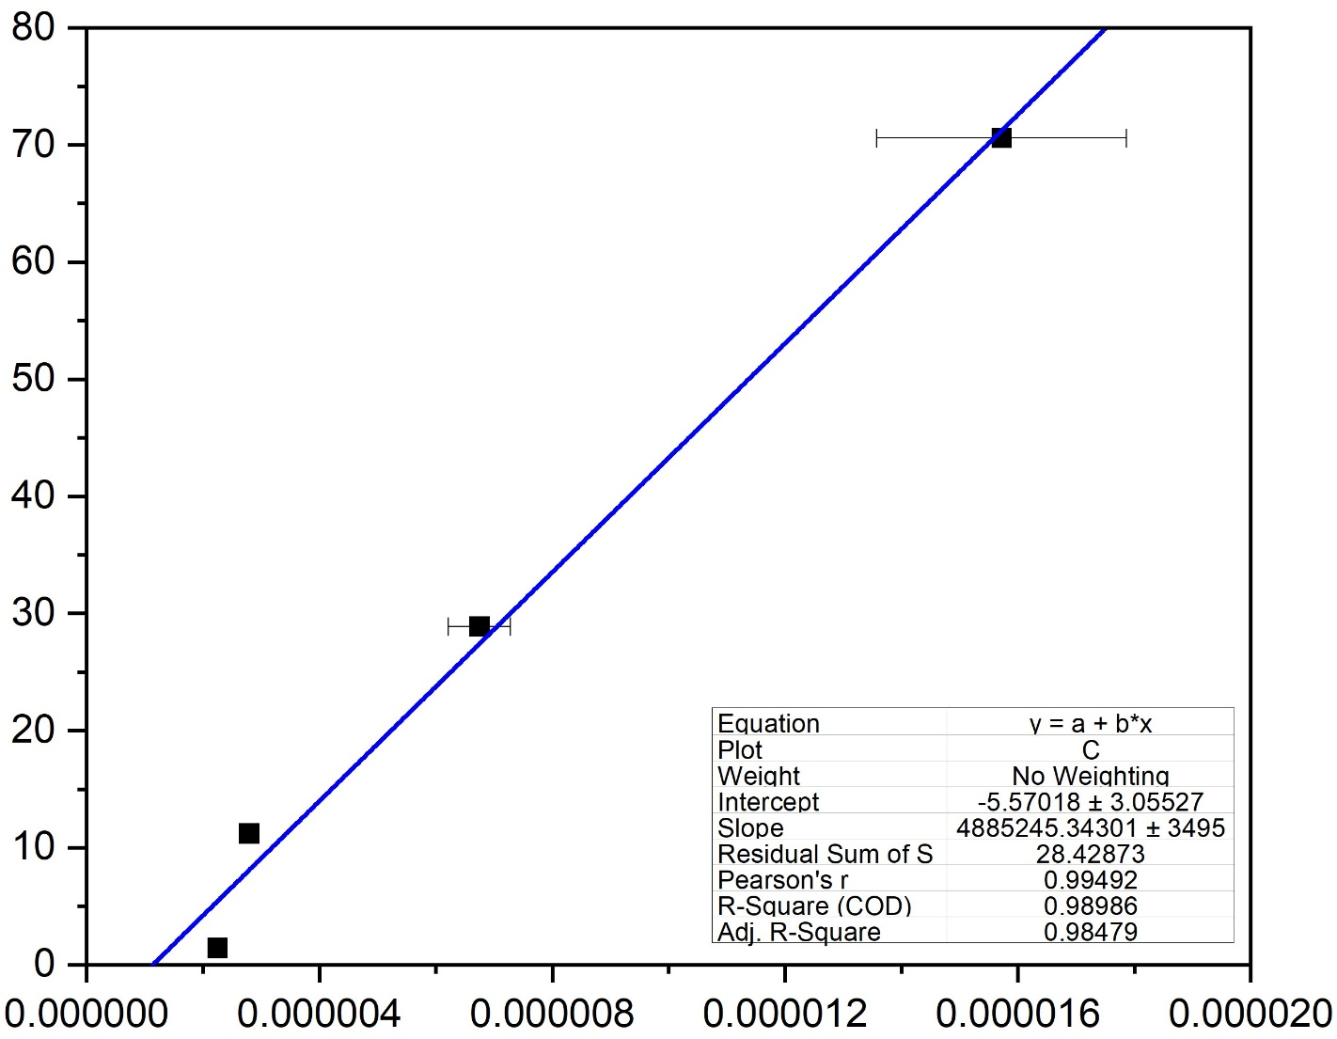
 |  | 16O/Coeff |  | 17O/16O |  | 18O/16O |  | 17O/Coeff
 |  | L'2 |  | EM/L'2 |  | H1/L'2 |  | EM |  |  | H2O μg.g-1
MOGOK@01-1 | 4.23789 | 2302015000 | 0.662575 | 1.607232E-05 | 0.5949223 | 0.00206741 | 0.01461447 | 36894.84 | 1.310916 | MOGOK | 70.6 | 1.5719872E-05 | 1.8394935726E-06
MOGOK@2-1 | 4.213951 | 2338156000 | 0.3216876 | 1.566472E-05 | 0.2358517 | 0.002067778 | 0.01002872 | 36631.39 | 0.5497406 | ICH-30 | 28.9 | 6.750115E-06 | 5.3567101291E-07
MOGOK@3-1 | 4.27591 | 2167064000 | 0.9777703 | 1.556496E-05 | 0.6148321 | 0.002070809 | 0.01641108 | 33766.31 | 1.578081 | KLB-1 | 11.2 | 2.79188E-06 | 7.2659564598E-08
MOGOK@4 | 4.256353 | 2289041000 | 0.3372289 | 1.30628E-05 | 0.320713 | 0.00206876 | 0.01030765 | 29947.94 | 0.6362 | SC | 1.42 | 2.2496923333E-06 | 7.0320156146E-08
MOGOK@5 | 4.277084 | 2296402000 | 0.2926048 | 1.823456E-05 | 1.251261 | 0.002068595 | 0.0127352 | 41890.68 | 1.465026
ICH-30@01 | 4.315417 | 2447463000 | 0.1206515 | 7.361906E-06 | 1.277895 | 0.002031515 | 0.005903577 | 18046.17 | 1.373395
1.5719872E-05 | 70.6
6.750115E-06 | 28.9
2.79188E-06 | 11.2
2.2496923333E-06 | 1.42
ICH-30@2 | 4.265036 | 2549239000 | 0.306465 | 6.503191E-06 | 0.5971957 | 0.002030625 | 0.007419959 | 16573.12 | 0.8074046
ICH-30@3 | 4.223965 | 2505548000 | 0.06400405 | 6.202287E-06 | 0.2557693 | 0.002029111 | 0.005114422 | 15508.4 | 0.2050843
ICH-30@4 | 4.256978 | 2449318000 | 0.2228189 | 6.396814E-06 | 0.4983602 | 0.002030214 | 0.007521335 | 15649.56 | 0.6150392
ICH-30@5 | 4.223026 | 2414596000 | 0.3492557 | 7.286377E-06 | 0.6338126 | 0.002031677 | 0.01010102 | 17710.26 | 0.8874856
KLB-1@01 | 4.159815 | 2435719000 | 0.3805775 | 2.8967E-06 | 0.5700916 | 0.002028936 | 0.01100877 | 7058.24 | 0.9402424
KLB-1@2 | 4.170924 | 2393955000 | 0.2463079 | 2.788144E-06 | 0.3892477 | 0.002029624 | 0.009824595 | 6675.48 | 0.5903797
KLB-1@3 | 4.183128 | 2410118000 | 0.4315374 | 2.759178E-06 | 0.4574677 | 0.002031246 | 0.0119967 | 6652.183 | 0.8725912
KLB-1@4 | 4.176087 | 2377083000 | 1.071999 | 2.699771E-06 | 1.30999 | 0.002029882 | 0.0248629 | 6434.581 | 2.330797
KLB-1@5 | 4.151601 | 2290794000 | 0.06505896 | 2.815607E-06 | 0.14068 | 0.002032318 | 0.008436104 | 6444.794 | 0.1590956
SC@01 | 4.185631 | 2511988000 | 0.02554518 | 2.317157E-06 | 0.1875713 | 0.002028278 | 0.007215428 | 5820.758 | 0.2030909
SC@2 | 4.050995 | 2489581000 | 0.03549269 | 2.176828E-06 | 0.244914 | 0.002028411 | 0.007138314 | 5420.017 | 0.2243725
SC@3 | 4.010628 | 2485010000 | 0.09795403 | 2.255092E-06 | 0.3576145 | 0.002028443 | 0.01026971 | 5604.248 | 0.4487841

Su et al. (2025) Geochem. Persp. Let. 36, 23–27 | https://doi.org/10.7185/geochemlet.2530
© 2025 The Authors
Published by the European Association of Geochemistry under Creative Commons License CC-BY-NC-ND.

Table S-4 SIMS samples
Su et al.
Water Storage in the Refractory Lithospheric Mantle

Table S-4 All SIMS data of samples.
 |  | 16O/Coeff |  | 18O/Coeff |  | 17O/Coeff |  | 18O/16O |  | 17O/16O |  | 17O/18O |  |  |  | H2O μg.g-1 | Uncertainty
 |  | L1 |  | H1 |  | EM |  | H1/L1 |  | EM/L1 |  | EM/H1 |  |  |  |  |  | Sample | H2O μg.g-1 | std (%) | 1sd
18LN05-6@01 | 4.165839 | 632792600 | 0.5614763 | 1287703 | 0.5585829 | 5734.191 | 0.4065683 | 0.002034958 | 0.01816489 | 9.063279E-06 | 0.2924896 | 0.004453792 | 0.2923741 | 38.951659162 | 38.951659162 | 38.71 | 0.11 | 18LN05-6 | 78.66 | 41.93 | 32.98
18LN05-6@10 | 3.947808 | 1244721000 | 0.01962144 | 2525334 | 0.02131573 | 18665.15 | 0.2888786 | 0.002028836 | 0.01227121 | 1.499548E-05 | 0.2931475 | 0.007391183 | 0.2951659 | 69.944808532 | 69.944808532 | 67.69 | 0.20 | 18LN07-10 | 85.72 | 50.68 | 43.45
18LN05-6@2 | 4.146672 | 456963200 | 0.3133807 | 930184.1 | 0.3187165 | 10387.25 | 1.109629 | 0.002035575 | 0.03381985 | 2.273326E-05 | 1.115758 | 0.01116822 | 1.127378 | 110.37131656 | 110.37131656 | 105.49 | 1.18 | 18LN07-2 | 26.99 | 7.48 | 2.02
18LN05-6@3 | 4.164431 | 1293073000 | 0.06245374 | 2620157 | 0.058545 | 15099.51 | 1.838426 | 0.002026304 | 0.009805674 | 1.167882E-05 | 1.895135 | 0.005763553 | 1.891507 | 52.616714155 | 52.616714155 | 51.48 | 0.98 | 18LN07-5 | 144.53 | 72.17 | 104.31
18LN05-6@4 | 4.345771 | 1367919000 | 0.02719327 | 2773294 | 0.02873915 | 84998.87 | 0.5249892 | 0.002027382 | 0.00997641 | 6.213759E-05 | 0.5291084 | 0.03064915 | 0.5278017 |  |  |  |  | 18OR02-11 | 118.54 | 12.63 | 14.97
18LN05-6@5 | 4.347414 | 588118900 | 0.1753333 | 1197028 | 0.1794419 | 18339.73 | 6.118326 | 0.002035348 | 0.01775716 | 3.11365E-05 | 5.948771 | 0.01529733 | 5.944546 | 154.27456132 | 154.27456132 | 146.54 | 8.72 | 18OR02-12 | 69.55 | 36.18 | 25.16
18LN05-6@6 | 4.418057 | 1391037000 | 0.04365579 | 2820075 | 0.04517794 | 17841.22 | 0.1695266 | 0.002027319 | 0.009916106 | 1.282591E-05 | 0.1832063 | 0.006326535 | 0.1822045 | 58.609756486 | 58.609756486 | 57.09 | 0.10 | 18OR02-15 | 33.25 | 15.92 | 5.29
18LN05-6@7 | 4.39404 | 1362546000 | 0.02199371 | 2762302 | 0.02369235 | 20486.69 | 0.6832967 | 0.00202731 | 0.0101043 | 1.503544E-05 | 0.6722241 | 0.007416452 | 0.6725806 | 70.153582012 | 70.153582012 | 67.88 | 0.46 | 18OR02-3 | 137.84 | 13.60 | 18.75
18LN05-6@8 | 4.177574 | 1192183000 | 0.2169617 | 2419061 | 0.2170484 | 19948.03 | 1.907166 | 0.002029101 | 0.008572585 | 1.672601E-05 | 1.768474 | 0.008243082 | 1.769287 | 78.986069065 | 78.986069065 | 76.14 | 1.35 | 18OR03-2 | 60.63 | 38.27 | 23.21
...

