andradite
Kizovski et al.
Expanding Mars’ lithological diversity: discovery of a garnet-bearing clast in NWA 8171

Table S-5 Electron microprobe point analyses results for pyroxene (with pyroxene site filling calculations for stoichiometry checks), andradite, feldspar, and apatite.
See Tab Names for Each Mineral Table

 | Accelerating potential = 15 kV, beam current = 20 nA; beam diameter = 2 microns.
 | Precision is given in columns AE-AP and detection limit in columns BE-BP.

 | Results_of_analyses: |  |  |  |  |  |  |  |  |  |  |  |  |  |  |  |  |  |  |  |  |  |  |  |  |  |  | sigma_relative = Sqrt((I_unk,peak/t_peak + I_unk,bkg/t_bkg)/curr)/I_unk,net |  |  |  |  |  |  |  |  |  |  |  | LLD(3-sigma) = 3*Sqrt(2)*Sqrt(I_unk,bkg /(t_unk,bkg*curr_unk)) |  |  |  |  |  |  |  |  |  |  |  | LLD(3-sigma) = 3*ZAF*(C_std/I_std,net)*Sqrt(2)*Sqrt(I_unk,bkg /(t_unk,bkg*curr_unk))
 |  | oxide weight % |  |  |  |  |  |  |  |  |  |  |  |  | cations per 12 oxygens |  |  |  |  |  |  |  |  |  |  |  |  | 1-sigma relative precision based on Poisson distribution |  |  |  |  |  |  |  |  |  |  |  | 3-sigma lower limit of detection (net counts per second per microamp) |  |  |  |  |  |  |  |  |  |  |  | 3-sigma lower limit of detection (wt% oxide) |  |  |  |  |  |  |  |  |  |  |  | Ix_net[/s/uA] | Ix_net[/s/uA] | Ix_net[/s/uA] | Ix_net[/s/uA] | Ix_net[/s/uA] | Ix_net[/s/uA] | Ix_net[/s/uA] | Ix_net[/s/uA] | Ix_net[/s/uA] | Ix_net[/s/uA] | Ix_net[/s/uA] | Ix_net[/s/uA] | Ix_bkg[/s/uA] | Ix_bkg[/s/uA] | Ix_bkg[/s/uA] | Ix_bkg[/s/uA] | Ix_bkg[/s/uA] | Ix_bkg[/s/uA] | Ix_bkg[/s/uA] | Ix_bkg[/s/uA] | Ix_bkg[/s/uA] | Ix_bkg[/s/uA] | Ix_bkg[/s/uA] | Ix_bkg[/s/uA] | k-raw | k-raw | k-raw | k-raw | k-raw | k-raw | k-raw | k-raw | k-raw | k-raw | k-raw | k-raw | k-ratio[wt%] | k-ratio[wt%] | k-ratio[wt%] | k-ratio[wt%] | k-ratio[wt%] | k-ratio[wt%] | k-ratio[wt%] | k-ratio[wt%] | k-ratio[wt%] | k-ratio[wt%] | k-ratio[wt%] | k-ratio[wt%] | Z_cor | Z_cor | Z_cor | Z_cor | Z_cor | Z_cor | Z_cor | Z_cor | Z_cor | Z_cor | Z_cor | Z_cor | f(chi) | f(chi) | f(chi) | f(chi) | f(chi) | f(chi) | f(chi) | f(chi) | f(chi) | f(chi) | f(chi) | f(chi) | A_cor | A_cor | A_cor | A_cor | A_cor | A_cor | A_cor | A_cor | A_cor | A_cor | A_cor | A_cor | If/Ip(char) | If/Ip(char) | If/Ip(char) | If/Ip(char) | If/Ip(char) | If/Ip(char) | If/Ip(char) | If/Ip(char) | If/Ip(char) | If/Ip(char) | If/Ip(char) | If/Ip(char) | If/Ip(cont) | If/Ip(cont) | If/Ip(cont) | If/Ip(cont) | If/Ip(cont) | If/Ip(cont) | If/Ip(cont) | If/Ip(cont) | If/Ip(cont) | If/Ip(cont) | If/Ip(cont) | If/Ip(cont) | F_cor | F_cor | F_cor | F_cor | F_cor | F_cor | F_cor | F_cor | F_cor | F_cor | F_cor | F_cor | ZAF_cor | ZAF_cor | ZAF_cor | ZAF_cor | ZAF_cor | ZAF_cor | ZAF_cor | ZAF_cor | ZAF_cor | ZAF_cor | ZAF_cor | ZAF_cor
 |  | SiO2 | Al2O3 | TiO2 | Cr2O3 | V2O3 | Fe2O3 | MnO | MgO | NiO | CaO | Na2O | K2O | Total | Si4+ | Al3+ | Ti4+ | Cr3+ | V3+ | Fe3+ | Mn2+ | Mg2+ | Ni2+ | Ca2+ | Na+ | K+ | Total | Si | Al | Ti | Cr | V | Fe | Mn | Mg | Ni | Ca | Na | K | Si Ka/TAP | Al Ka/TAP | Ti Ka/PET | Cr Ka/LiFL | V Ka/LiFL | Fe Ka/LiFH | Mn Ka/LiFL | Mg Ka/TAP | Ni Ka/LiFH | Ca Ka/PET | Na Ka/TAP | K Ka/PET | SiO2 | Al2O3 | TiO2 | Cr2O3 | V2O3 | Fe2O3 | MnO | MgO | NiO | CaO | Na2O | K2O | 14 | 13 | 22 | 24 | 23 | 26 | 25 | 12 | 28 | 20 | 11 | 19 | 14 | 13 | 22 | 24 | 23 | 26 | 25 | 12 | 28 | 20 | 11 | 19 | 14 | 13 | 22 | 24 | 23 | 26 | 25 | 12 | 28 | 20 | 11 | 19 | 14 | 13 | 22 | 24 | 23 | 26 | 25 | 12 | 28 | 20 | 11 | 19 | 14 | 13 | 22 | 24 | 23 | 26 | 25 | 12 | 28 | 20 | 11 | 19 | 14 | 13 | 22 | 24 | 23 | 26 | 25 | 12 | 28 | 20 | 11 | 19 | 14 | 13 | 22 | 24 | 23 | 26 | 25 | 12 | 28 | 20 | 11 | 19 | 14 | 13 | 22 | 24 | 23 | 26 | 25 | 12 | 28 | 20 | 11 | 19 | 14 | 13 | 22 | 24 | 23 | 26 | 25 | 12 | 28 | 20 | 11 | 19 | 14 | 13 | 22 | 24 | 23 | 26 | 25 | 12 | 28 | 20 | 11 | 19 | 14 | 13 | 22 | 24 | 23 | 26 | 25 | 12 | 28 | 20 | 11 | 19
1 | NWA8171 garnet 01 | 35.68 | 0.81 | 0.01 | 0.01 | 0.00 | 30.31 | 0.03 | 0.18 | 0.03 | 32.78 | 0.00 | 0.01 | 99.85 | 3.005 | 0.080 | 0.001 | 0.000 | 0.000 | 1.921 | 0.002 | 0.022 | 0.002 | 2.959 | 0.000 | 0.001 | 7.993 | 0.0038 | 0.0184 | 1.0131 | 2.2016 | 0.0000 | 0.0042 | 0.4508 | 0.0585 | 0.4878 | 0.0031 | 0.0000 | 1.0387 | 476 | 185 | 241 | 98 | 86 | 262 | 123 | 129 | 180 | 265 | 83 | 138 | 0.0495 | 0.0227 | 0.0438 | 0.0450 | 0.0496 | 0.0544 | 0.0441 | 0.0225 | 0.0366 | 0.0338 | 0.0278 | 0.0163 | 3.43E+05 | 6.63E+03 | 8.00E+01 | 1.50E+01 | -1.50E+01 | 1.46E+05 | 9.49E+01 | 1.02E+03 | 1.25E+02 | 2.57E+05 | 0.00E+00 | 4.50E+01 | 2.52E+03 | 1.15E+03 | 1.93E+03 | 3.20E+02 | 2.45E+02 | 1.53E+03 | 5.02E+02 | 5.58E+02 | 2.17E+03 | 1.56E+03 | 3.10E+02 | 8.52E+02 | 7.36E-01 | 1.95E-02 | 1.35E-04 | 6.50E-05 | -7.92E-05 | 3.64E-01 | 7.30E-04 | 2.95E-03 | 3.30E-04 | 1.35E+00 | 0.00E+00 | 3.91E-04 | 1.75E+01 | 3.75E-01 | 8.04E-03 | 4.45E-03 | 1.00E-06 | 1.99E+01 | 2.55E-02 | 8.76E-02 | 1.85E-02 | 2.48E+01 | 1.00E-06 | 4.84E-03 | 9.61E-01 | 9.63E-01 | 1.04E+00 | 1.07E+00 | 1.08E+00 | 1.05E+00 | 1.02E+00 | 9.62E-01 | 1.05E+00 | 9.59E-01 | 9.52E-01 | 9.63E-01 | 7.03E-01 | 5.98E-01 | 9.25E-01 | 9.55E-01 | 9.42E-01 | 9.73E-01 | 9.66E-01 | 4.68E-01 | 9.70E-01 | 9.36E-01 | 3.28E-01 | 9.13E-01 | 9.96E-01 | 1.19E+00 | 1.06E+00 | 1.03E+00 | 1.04E+00 | 1.01E+00 | 1.01E+00 | 1.27E+00 | 1.02E+00 | 9.94E-01 | 1.47E+00 | 9.83E-01 | 2.45E-03 | 6.91E-03 | 1.42E-02 | 3.77E-02 | 2.33E-02 | 3.35E-05 | 6.57E-03 | 3.65E-03 | 0.00E+00 | 6.89E-03 | 1.79E-03 | 3.96E-02 | 1.41E-03 | 9.26E-04 | 1.12E-02 | 1.83E-02 | 1.45E-02 | 2.59E-02 | 2.23E-02 | 5.68E-04 | 3.11E-02 | 9.12E-03 | 3.27E-04 | 7.35E-03 | 9.98E-01 | 1.00E+00 | 9.90E-01 | 9.66E-01 | 9.80E-01 | 1.00E+00 | 9.97E-01 | 1.00E+00 | 1.01E+00 | 9.92E-01 | 1.00E+00 | 9.60E-01 | 9.53E-01 | 1.13E+00 | 1.07E+00 | 1.04E+00 | 1.08E+00 | 1.03E+00 | 1.01E+00 | 1.21E+00 | 1.04E+00 | 9.38E-01 | 1.40E+00 | 9.04E-01
2 | NWA8171 garnet 02 | 35.61 | 0.87 | 0.00 | 0.00 | 0.00 | 30.17 | 0.06 | 0.18 | 0.00 | 32.78 | 0.01 | 0.00 | 99.68 | 3.003 | 0.087 | 0.000 | 0.000 | 0.000 | 1.915 | 0.004 | 0.022 | 0.000 | 2.963 | 0.002 | 0.000 | 7.997 | 0.0039 | 0.0176 | 0.0000 | 0.0000 | 5.6221 | 0.0042 | 0.2557 | 0.0596 | 0.0000 | 0.0031 | 0.8321 | 1.9260 | 495 | 188 | 240 | 100 | 84 | 265 | 120 | 132 | 185 | 259 | 85 | 143 | 0.0515 | 0.0229 | 0.0437 | 0.0460 | 0.0486 | 0.0551 | 0.0432 | 0.0229 | 0.0376 | 0.0331 | 0.0283 | 0.0169 | 3.42E+05 | 7.14E+03 | -7.99E+01 | -5.00E+00 | 5.00E+00 | 1.45E+05 | 1.70E+02 | 1.01E+03 | -3.50E+01 | 2.56E+05 | 3.50E+01 | 2.50E+01 | 2.72E+03 | 1.17E+03 | 1.92E+03 | 3.35E+02 | 2.35E+02 | 1.57E+03 | 4.81E+02 | 5.82E+02 | 2.29E+03 | 1.49E+03 | 3.22E+02 | 9.16E+02 | 7.35E-01 | 2.10E-02 | -1.35E-04 | -2.17E-05 | 2.64E-05 | 3.62E-01 | 1.31E-03 | 2.92E-03 | -9.25E-05 | 1.35E+00 | 7.04E-04 | 2.17E-04 | 1.74E+01 | 4.04E-01 | 1.00E-06 | 1.00E-06 | 1.80E-03 | 1.98E+01 | 4.57E-02 | 8.67E-02 | 1.00E-06 | 2.48E+01 | 6.14E-03 | 2.69E-03 | 9.61E-01 | 9.63E-01 | 1.04E+00 | 1.07E+00 | 1.08E+00 | 1.05E+00 | 1.02E+00 | 9.62E-01 | 1.05E+00 | 9.59E-01 | 9.53E-01 | 9.63E-01 | 7.03E-01 | 5.98E-01 | 9.25E-01 | 9.55E-01 | 9.42E-01 | 9.73E-01 | 9.66E-01 | 4.68E-01 | 9.70E-01 | 9.36E-01 | 3.28E-01 | 9.13E-01 | 9.96E-01 | 1.19E+00 | 1.06E+00 | 1.03E+00 | 1.04E+00 | 1.01E+00 | 1.01E+00 | 1.27E+00 | 1.02E+00 | 9.94E-01 | 1.47E+00 | 9.83E-01 | 2.45E-03 | 6.91E-03 | 1.41E-02 | 3.76E-02 | 2.32E-02 | 1.81E-09 | 6.52E-03 | 3.66E-03 | 0.00E+00 | 6.87E-03 | 1.80E-03 | 3.97E-02 | 1.41E-03 | 9.26E-04 | 1.12E-02 | 1.83E-02 | 1.45E-02 | 2.59E-02 | 2.23E-02 | 5.68E-04 | 3.11E-02 | 9.11E-03 | 3.27E-04 | 7.34E-03 | 9.98E-01 | 1.00E+00 | 9.90E-01 | 9.66E-01 | 9.80E-01 | 1.00E+00 | 9.97E-01 | 1.00E+00 | 1.01E+00 | 9.92E-01 | 1.00E+00 | 9.60E-01 | 9.53E-01 | 1.13E+00 | 1.07E+00 | 1.04E+00 | 1.08E+00 | 1.04E+00 | 1.01E+00 | 1.21E+00 | 1.04E+00 | 9.38E-01 | 1.40E+00 | 9.04E-01
3 | NWA8171 garnet 03 | 35.55 | 0.78 | 0.04 | 0.01 | 0.01 | 30.38 | 0.06 | 0.17 | 0.01 | 32.63 | 0.01 | 0.00 | 99.65 | 3.002 | 0.077 | 0.002 | 0.001 | 0.001 | 1.930 | 0.004 | 0.021 | 0.001 | 2.952 | 0.001 | 0.001 | 7.992 | 0.0039 | 0.0188 | 0.3961 | 1.3600 | 1.3527 | 0.0042 | 0.2407 | 0.0617 | 0.9379 | 0.0031 | 1.9347 | 1.1799 | 508 | 183 | 231 | 100 | 79 | 258 | 115 | 129 | 181 | 250 | 86 | 140 | 0.0528 | 0.0224 | 0.0420 | 0.0460 | 0.0459 | 0.0536 | 0.0415 | 0.0225 | 0.0368 | 0.0319 | 0.0287 | 0.0165 | 3.42E+05 | 6.35E+03 | 2.00E+02 | 2.50E+01 | 2.00E+01 | 1.46E+05 | 1.75E+02 | 9.49E+02 | 6.49E+01 | 2.55E+05 | 1.50E+01 | 4.00E+01 | 2.87E+03 | 1.12E+03 | 1.78E+03 | 3.35E+02 | 2.10E+02 | 1.48E+03 | 4.44E+02 | 5.56E+02 | 2.19E+03 | 1.39E+03 | 3.30E+02 | 8.72E+02 | 7.34E-01 | 1.87E-02 | 3.37E-04 | 1.08E-04 | 1.06E-04 | 3.65E-01 | 1.34E-03 | 2.75E-03 | 1.72E-04 | 1.34E+00 | 3.02E-04 | 3.47E-04 | 1.74E+01 | 3.59E-01 | 2.01E-02 | 7.41E-03 | 7.18E-03 | 2.00E+01 | 4.70E-02 | 8.16E-02 | 9.61E-03 | 2.47E+01 | 2.63E-03 | 4.31E-03 | 9.60E-01 | 9.63E-01 | 1.04E+00 | 1.07E+00 | 1.08E+00 | 1.05E+00 | 1.02E+00 | 9.61E-01 | 1.05E+00 | 9.59E-01 | 9.52E-01 | 9.63E-01 | 7.03E-01 | 5.98E-01 | 9.25E-01 | 9.56E-01 | 9.42E-01 | 9.73E-01 | 9.66E-01 | 4.68E-01 | 9.70E-01 | 9.36E-01 | 3.28E-01 | 9.13E-01 | 9.97E-01 | 1.19E+00 | 1.06E+00 | 1.03E+00 | 1.04E+00 | 1.01E+00 | 1.01E+00 | 1.27E+00 | 1.02E+00 | 9.94E-01 | 1.48E+00 | 9.83E-01 | 2.44E-03 | 6.89E-03 | 1.43E-02 | 3.79E-02 | 2.34E-02 | 1.74E-05 | 6.59E-03 | 3.64E-03 | 0.00E+00 | 6.95E-03 | 1.79E-03 | 3.96E-02 | 1.41E-03 | 9.26E-04 | 1.12E-02 | 1.83E-02 | 1.45E-02 | 2.59E-02 | 2.23E-02 | 5.68E-04 | 3.10E-02 | 9.13E-03 | 3.27E-04 | 7.35E-03 | 9.98E-01 | 1.00E+00 | 9.89E-01 | 9.66E-01 | 9.80E-01 | 1.00E+00 | 9.97E-01 | 1.00E+00 | 1.01E+00 | 9.92E-01 | 1.00E+00 | 9.61E-01 | 9.53E-01 | 1.13E+00 | 1.07E+00 | 1.04E+00 | 1.08E+00 | 1.03E+00 | 1.01E+00 | 1.22E+00 | 1.04E+00 | 9.38E-01 | 1.40E+00 | 9.04E-01
4 | NWA8171 garnet 04 | 35.60 | 0.82 | 0.00 | 0.00 | 0.00 | 30.43 | 0.10 | 0.17 | 0.03 | 32.48 | 0.01 | 0.00 | 99.65 | 3.005 | 0.082 | 0.000 | 0.000 | 0.000 | 1.933 | 0.007 | 0.022 | 0.002 | 2.938 | 0.002 | 0.000 | 7.989 | 0.0038 | 0.0182 | 0.0000 | 0.0000 | 0.0000 | 0.0042 | 0.1693 | 0.0615 | 0.4745 | 0.0032 | 0.6981 | 0.0000 | 460 | 184 | 241 | 101 | 86 | 269 | 119 | 135 | 182 | 257 | 81 | 146 | 0.0479 | 0.0225 | 0.0439 | 0.0465 | 0.0495 | 0.0559 | 0.0427 | 0.0234 | 0.0370 | 0.0328 | 0.0270 | 0.0173 | 3.42E+05 | 6.70E+03 | -5.00E+01 | -2.50E+01 | -2.00E+01 | 1.47E+05 | 2.65E+02 | 9.84E+02 | 1.30E+02 | 2.54E+05 | 4.00E+01 | -1.00E+01 | 2.36E+03 | 1.12E+03 | 1.94E+03 | 3.42E+02 | 2.45E+02 | 1.61E+03 | 4.70E+02 | 6.06E+02 | 2.22E+03 | 1.47E+03 | 2.92E+02 | 9.53E+02 | 7.34E-01 | 1.97E-02 | -8.44E-05 | -1.08E-04 | -1.06E-04 | 3.65E-01 | 2.04E-03 | 2.85E-03 | 3.43E-04 | 1.34E+00 | 8.05E-04 | -8.69E-05 | 1.74E+01 | 3.79E-01 | 1.00E-06 | 1.00E-06 | 1.00E-06 | 2.00E+01 | 7.12E-02 | 8.46E-02 | 1.92E-02 | 2.46E+01 | 7.02E-03 | 1.00E-06 | 9.60E-01 | 9.63E-01 | 1.04E+00 | 1.07E+00 | 1.08E+00 | 1.05E+00 | 1.02E+00 | 9.61E-01 | 1.05E+00 | 9.59E-01 | 9.52E-01 | 9.63E-01 | 7.03E-01 | 5.97E-01 | 9.25E-01 | 9.56E-01 | 9.42E-01 | 9.73E-01 | 9.66E-01 | 4.68E-01 | 9.70E-01 | 9.36E-01 | 3.28E-01 | 9.13E-01 | 9.97E-01 | 1.19E+00 | 1.06E+00 | 1.03E+00 | 1.04E+00 | 1.01E+00 | 1.01E+00 | 1.27E+00 | 1.02E+00 | 9.94E-01 | 1.48E+00 | 9.83E-01 | 2.43E-03 | 6.89E-03 | 1.43E-02 | 3.81E-02 | 2.35E-02 | 3.49E-05 | 6.63E-03 | 3.65E-03 | 0.00E+00 | 6.95E-03 | 1.79E-03 | 3.94E-02 | 1.41E-03 | 9.25E-04 | 1.12E-02 | 1.83E-02 | 1.46E-02 | 2.59E-02 | 2.23E-02 | 5.68E-04 | 3.10E-02 | 9.13E-03 | 3.26E-04 | 7.35E-03 | 9.98E-01 | 1.00E+00 | 9.89E-01 | 9.66E-01 | 9.80E-01 | 1.00E+00 | 9.96E-01 | 1.00E+00 | 1.01E+00 | 9.92E-01 | 1.00E+00 | 9.61E-01 | 9.54E-01 | 1.13E+00 | 1.07E+00 | 1.04E+00 | 1.08E+00 | 1.03E+00 | 1.01E+00 | 1.22E+00 | 1.04E+00 | 9.38E-01 | 1.40E+00 | 9.04E-01
5 | NWA8171 garnet 05 | 35.49 | 0.41 | 0.00 | 0.00 | 0.00 | 30.95 | 0.05 | 0.15 | 0.01 | 32.33 | 0.01 | 0.00 | 99.40 | 3.008 | 0.041 | 0.000 | 0.000 | 0.000 | 1.974 | 0.003 | 0.019 | 0.001 | 2.936 | 0.001 | 0.000 | 7.984 | 0.0039 | 0.0290 | 0.0000 | 0.0000 | 0.0000 | 0.0041 | 0.3294 | 0.0670 | 1.2194 | 0.0032 | 1.9559 | 0.0000 | 487 | 187 | 239 | 103 | 87 | 265 | 121 | 129 | 182 | 251 | 87 | 143 | 0.0507 | 0.0230 | 0.0434 | 0.0474 | 0.0502 | 0.0550 | 0.0433 | 0.0225 | 0.0370 | 0.0321 | 0.0291 | 0.0168 | 3.41E+05 | 3.36E+03 | -1.00E+01 | -3.00E+01 | -3.00E+01 | 1.49E+05 | 1.30E+02 | 8.54E+02 | 5.00E+01 | 2.53E+05 | 1.50E+01 | -1.00E+01 | 2.64E+03 | 1.17E+03 | 1.90E+03 | 3.57E+02 | 2.52E+02 | 1.56E+03 | 4.85E+02 | 5.55E+02 | 2.21E+03 | 1.40E+03 | 3.37E+02 | 9.05E+02 | 7.32E-01 | 9.90E-03 | -1.69E-05 | -1.30E-04 | -1.58E-04 | 3.72E-01 | 9.99E-04 | 2.47E-03 | 1.32E-04 | 1.33E+00 | 3.02E-04 | -8.69E-05 | 1.74E+01 | 1.90E-01 | 1.00E-06 | 1.00E-06 | 1.00E-06 | 2.04E+01 | 3.49E-02 | 7.34E-02 | 7.41E-03 | 2.45E+01 | 2.63E-03 | 1.00E-06 | 9.60E-01 | 9.62E-01 | 1.04E+00 | 1.07E+00 | 1.07E+00 | 1.05E+00 | 1.02E+00 | 9.61E-01 | 1.05E+00 | 9.59E-01 | 9.52E-01 | 9.62E-01 | 7.03E-01 | 5.96E-01 | 9.25E-01 | 9.56E-01 | 9.42E-01 | 9.74E-01 | 9.66E-01 | 4.66E-01 | 9.70E-01 | 9.36E-01 | 3.27E-01 | 9.13E-01 | 9.97E-01 | 1.19E+00 | 1.06E+00 | 1.03E+00 | 1.04E+00 | 1.01E+00 | 1.01E+00 | 1.27E+00 | 1.02E+00 | 9.94E-01 | 1.48E+00 | 9.83E-01 | 2.43E-03 | 6.88E-03 | 1.46E-02 | 3.89E-02 | 2.40E-02 | 1.34E-05 | 6.76E-03 | 3.59E-03 | 0.00E+00 | 7.07E-03 | 1.76E-03 | 3.94E-02 | 1.41E-03 | 9.25E-04 | 1.13E-02 | 1.84E-02 | 1.46E-02 | 2.59E-02 | 2.23E-02 | 5.67E-04 | 3.09E-02 | 9.16E-03 | 3.26E-04 | 7.38E-03 | 9.98E-01 | 1.00E+00 | 9.89E-01 | 9.65E-01 | 9.79E-01 | 1.00E+00 | 9.96E-01 | 1.00E+00 | 1.01E+00 | 9.91E-01 | 1.00E+00 | 9.61E-01 | 9.53E-01 | 1.14E+00 | 1.07E+00 | 1.04E+00 | 1.08E+00 | 1.03E+00 | 1.01E+00 | 1.22E+00 | 1.04E+00 | 9.37E-01 | 1.41E+00 | 9.03E-01
6 | NWA8171 garnet 06 | 35.39 | 0.48 | 0.00 | 0.00 | 0.01 | 30.80 | 0.05 | 0.15 | 0.00 | 32.76 | 0.00 | 0.00 | 99.64 | 2.996 | 0.048 | 0.000 | 0.000 | 0.000 | 1.962 | 0.003 | 0.019 | 0.000 | 2.971 | 0.000 | 0.000 | 7.999 | 0.0039 | 0.0261 | 0.0000 | 3.2756 | 2.9269 | 0.0041 | 0.3326 | 0.0668 | 0.0000 | 0.0031 | 0.0000 | 0.0000 | 483 | 188 | 246 | 98 | 87 | 278 | 127 | 130 | 186 | 260 | 86 | 145 | 0.0503 | 0.0230 | 0.0448 | 0.0447 | 0.0503 | 0.0577 | 0.0456 | 0.0227 | 0.0377 | 0.0332 | 0.0288 | 0.0170 | 3.40E+05 | 3.91E+03 | -1.40E+02 | 1.00E+01 | 1.00E+01 | 1.48E+05 | 1.35E+02 | 8.64E+02 | -1.00E+01 | 2.57E+05 | -1.50E+01 | -1.00E+01 | 2.60E+03 | 1.17E+03 | 2.03E+03 | 3.17E+02 | 2.52E+02 | 1.72E+03 | 5.37E+02 | 5.67E+02 | 2.30E+03 | 1.51E+03 | 3.30E+02 | 9.29E+02 | 7.31E-01 | 1.15E-02 | -2.36E-04 | 4.33E-05 | 5.28E-05 | 3.70E-01 | 1.04E-03 | 2.50E-03 | -2.64E-05 | 1.35E+00 | -3.02E-04 | -8.69E-05 | 1.73E+01 | 2.21E-01 | 1.00E-06 | 2.96E-03 | 3.59E-03 | 2.02E+01 | 3.63E-02 | 7.43E-02 | 1.00E-06 | 2.48E+01 | 1.00E-06 | 1.00E-06 | 9.60E-01 | 9.63E-01 | 1.04E+00 | 1.07E+00 | 1.07E+00 | 1.05E+00 | 1.02E+00 | 9.61E-01 | 1.05E+00 | 9.59E-01 | 9.52E-01 | 9.62E-01 | 7.03E-01 | 5.97E-01 | 9.25E-01 | 9.55E-01 | 9.42E-01 | 9.73E-01 | 9.66E-01 | 4.67E-01 | 9.70E-01 | 9.36E-01 | 3.27E-01 | 9.13E-01 | 9.97E-01 | 1.19E+00 | 1.06E+00 | 1.03E+00 | 1.04E+00 | 1.01E+00 | 1.01E+00 | 1.27E+00 | 1.02E+00 | 9.94E-01 | 1.48E+00 | 9.83E-01 | 2.45E-03 | 6.86E-03 | 1.44E-02 | 3.84E-02 | 2.37E-02 | 1.80E-09 | 6.67E-03 | 3.59E-03 | 0.00E+00 | 7.01E-03 | 1.76E-03 | 3.98E-02 | 1.41E-03 | 9.26E-04 | 1.12E-02 | 1.83E-02 | 1.45E-02 | 2.58E-02 | 2.23E-02 | 5.68E-04 | 3.09E-02 | 9.15E-03 | 3.26E-04 | 7.38E-03 | 9.98E-01 | 1.00E+00 | 9.89E-01 | 9.65E-01 | 9.79E-01 | 1.00E+00 | 9.96E-01 | 1.00E+00 | 1.01E+00 | 9.91E-01 | 1.00E+00 | 9.60E-01 | 9.53E-01 | 1.14E+00 | 1.07E+00 | 1.04E+00 | 1.08E+00 | 1.03E+00 | 1.01E+00 | 1.22E+00 | 1.04E+00 | 9.37E-01 | 1.41E+00 | 9.03E-01
7 | NWA8171 garnet 07 | 35.69 | 0.32 | 0.01 | 0.01 | 0.00 | 30.99 | 0.18 | 0.16 | 0.00 | 32.17 | 0.00 | 0.00 | 99.54 | 3.020 | 0.032 | 0.001 | 0.000 | 0.000 | 1.973 | 0.013 | 0.020 | 0.000 | 2.917 | 0.000 | 0.001 | 7.977 | 0.0038 | 0.0344 | 0.9651 | 2.2016 | 0.0000 | 0.0041 | 0.0956 | 0.0646 | 0.0000 | 0.0032 | 0.0000 | 1.2060 | 494 | 183 | 229 | 98 | 88 | 267 | 119 | 131 | 185 | 257 | 88 | 143 | 0.0514 | 0.0224 | 0.0416 | 0.0449 | 0.0510 | 0.0555 | 0.0426 | 0.0228 | 0.0375 | 0.0328 | 0.0295 | 0.0169 | 3.43E+05 | 2.61E+03 | 8.00E+01 | 1.50E+01 | -3.00E+01 | 1.49E+05 | 5.15E+02 | 9.04E+02 | -2.50E+01 | 2.52E+05 | -5.00E+00 | 4.00E+01 | 2.71E+03 | 1.11E+03 | 1.75E+03 | 3.20E+02 | 2.60E+02 | 1.59E+03 | 4.70E+02 | 5.71E+02 | 2.27E+03 | 1.46E+03 | 3.45E+02 | 9.11E+02 | 7.37E-01 | 7.70E-03 | 1.35E-04 | 6.50E-05 | -1.58E-04 | 3.72E-01 | 3.96E-03 | 2.62E-03 | -6.61E-05 | 1.33E+00 | -1.01E-04 | 3.47E-04 | 1.75E+01 | 1.48E-01 | 8.04E-03 | 4.45E-03 | 1.00E-06 | 2.04E+01 | 1.38E-01 | 7.77E-02 | 1.00E-06 | 2.43E+01 | 1.00E-06 | 4.31E-03 | 9.60E-01 | 9.62E-01 | 1.04E+00 | 1.07E+00 | 1.07E+00 | 1.05E+00 | 1.02E+00 | 9.61E-01 | 1.05E+00 | 9.59E-01 | 9.52E-01 | 9.62E-01 | 7.03E-01 | 5.96E-01 | 9.25E-01 | 9.56E-01 | 9.43E-01 | 9.74E-01 | 9.66E-01 | 4.66E-01 | 9.70E-01 | 9.36E-01 | 3.26E-01 | 9.13E-01 | 9.97E-01 | 1.19E+00 | 1.06E+00 | 1.03E+00 | 1.04E+00 | 1.01E+00 | 1.01E+00 | 1.27E+00 | 1.02E+00 | 9.94E-01 | 1.48E+00 | 9.83E-01 | 2.42E-03 | 6.89E-03 | 1.47E-02 | 3.90E-02 | 2.42E-02 | 1.81E-09 | 6.75E-03 | 3.59E-03 | 0.00E+00 | 7.13E-03 | 1.76E-03 | 3.92E-02 | 1.41E-03 | 9.25E-04 | 1.13E-02 | 1.84E-02 | 1.46E-02 | 2.59E-02 | 2.24E-02 | 5.67E-04 | 3.09E-02 | 9.17E-03 | 3.26E-04 | 7.38E-03 | 9.98E-01 | 1.00E+00 | 9.89E-01 | 9.65E-01 | 9.79E-01 | 1.00E+00 | 9.96E-01 | 1.00E+00 | 1.01E+00 | 9.91E-01 | 1.00E+00 | 9.61E-01 | 9.53E-01 | 1.14E+00 | 1.07E+00 | 1.04E+00 | 1.07E+00 | 1.03E+00 | 1.01E+00 | 1.22E+00 | 1.04E+00 | 9.37E-01 | 1.41E+00 | 9.04E-01
8 | NWA8171 garnet 08 | 35.65 | 0.59 | 0.06 | 0.00 | 0.00 | 30.92 | 0.16 | 0.16 | 0.00 | 32.15 | 0.01 | 0.00 | 99.70 | 3.009 | 0.059 | 0.004 | 0.000 | 0.000 | 1.964 | 0.012 | 0.020 | 0.000 | 2.908 | 0.001 | 0.000 | 7.976 | 0.0038 | 0.0225 | 0.2575 | 0.0000 | 0.0000 | 0.0041 | 0.1081 | 0.0659 | 0.0000 | 0.0032 | 1.4402 | 0.0000 | 479 | 184 | 237 | 101 | 85 | 270 | 122 | 136 | 186 | 258 | 85 | 144 | 0.0498 | 0.0225 | 0.0431 | 0.0464 | 0.0492 | 0.0561 | 0.0438 | 0.0236 | 0.0378 | 0.0329 | 0.0285 | 0.0170 | 3.42E+05 | 4.84E+03 | 3.20E+02 | -4.50E+01 | -3.00E+01 | 1.49E+05 | 4.54E+02 | 9.04E+02 | -9.49E+01 | 2.52E+05 | 2.00E+01 | -2.00E+01 | 2.55E+03 | 1.13E+03 | 1.88E+03 | 3.42E+02 | 2.42E+02 | 1.63E+03 | 4.97E+02 | 6.13E+02 | 2.30E+03 | 1.48E+03 | 3.22E+02 | 9.27E+02 | 7.35E-01 | 1.42E-02 | 5.40E-04 | -1.95E-04 | -1.58E-04 | 3.71E-01 | 3.50E-03 | 2.62E-03 | -2.51E-04 | 1.32E+00 | 4.02E-04 | -1.74E-04 | 1.74E+01 | 2.74E-01 | 3.21E-02 | 1.00E-06 | 1.00E-06 | 2.03E+01 | 1.22E-01 | 7.77E-02 | 1.00E-06 | 2.43E+01 | 3.51E-03 | 1.00E-06 | 9.60E-01 | 9.63E-01 | 1.04E+00 | 1.07E+00 | 1.07E+00 | 1.05E+00 | 1.02E+00 | 9.61E-01 | 1.05E+00 | 9.59E-01 | 9.52E-01 | 9.62E-01 | 7.03E-01 | 5.96E-01 | 9.25E-01 | 9.56E-01 | 9.43E-01 | 9.74E-01 | 9.66E-01 | 4.67E-01 | 9.70E-01 | 9.36E-01 | 3.27E-01 | 9.13E-01 | 9.97E-01 | 1.19E+00 | 1.06E+00 | 1.03E+00 | 1.04E+00 | 1.01E+00 | 1.01E+00 | 1.27E+00 | 1.02E+00 | 9.94E-01 | 1.48E+00 | 9.83E-01 | 2.41E-03 | 6.87E-03 | 1.47E-02 | 3.88E-02 | 2.41E-02 | 1.81E-09 | 6.73E-03 | 3.61E-03 | 0.00E+00 | 7.12E-03 | 1.77E-03 | 3.91E-02 | 1.41E-03 | 9.25E-04 | 1.13E-02 | 1.84E-02 | 1.46E-02 | 2.59E-02 | 2.24E-02 | 5.67E-04 | 3.09E-02 | 9.16E-03 | 3.26E-04 | 7.37E-03 | 9.98E-01 | 1.00E+00 | 9.89E-01 | 9.65E-01 | 9.79E-01 | 1.00E+00 | 9.96E-01 | 1.00E+00 | 1.01E+00 | 9.91E-01 | 1.00E+00 | 9.61E-01 | 9.54E-01 | 1.14E+00 | 1.07E+00 | 1.04E+00 | 1.08E+00 | 1.03E+00 | 1.01E+00 | 1.22E+00 | 1.04E+00 | 9.38E-01 | 1.41E+00 | 9.04E-01
9 | NWA8171 garnet 09 | 35.34 | 0.58 | 0.02 | 0.00 | 0.03 | 30.91 | 0.09 | 0.11 | 0.01 | 32.35 | 0.01 | 0.01 | 99.45 | 2.995 | 0.058 | 0.001 | 0.000 | 0.002 | 1.972 | 0.006 | 0.014 | 0.001 | 2.938 | 0.001 | 0.001 | 7.989 | 0.0039 | 0.0232 | 0.7995 | 0.0000 | 0.6345 | 0.0041 | 0.1780 | 0.0904 | 1.2434 | 0.0032 | 1.1346 | 0.9760 | 480 | 193 | 236 | 96 | 82 | 266 | 119 | 136 | 185 | 261 | 83 | 144 | 0.0500 | 0.0237 | 0.0430 | 0.0441 | 0.0472 | 0.0552 | 0.0426 | 0.0238 | 0.0377 | 0.0333 | 0.0279 | 0.0170 | 3.40E+05 | 4.74E+03 | 9.99E+01 | -1.50E+01 | 4.50E+01 | 1.49E+05 | 2.50E+02 | 6.14E+02 | 5.00E+01 | 2.53E+05 | 2.50E+01 | 5.00E+01 | 2.57E+03 | 1.25E+03 | 1.87E+03 | 3.10E+02 | 2.22E+02 | 1.57E+03 | 4.69E+02 | 6.19E+02 | 2.30E+03 | 1.51E+03 | 3.10E+02 | 9.28E+02 | 7.29E-01 | 1.39E-02 | 1.69E-04 | -6.50E-05 | 2.38E-04 | 3.71E-01 | 1.92E-03 | 1.78E-03 | 1.32E-04 | 1.33E+00 | 5.03E-04 | 4.34E-04 | 1.73E+01 | 2.68E-01 | 1.00E-02 | 1.00E-06 | 1.62E-02 | 2.03E+01 | 6.72E-02 | 5.28E-02 | 7.41E-03 | 2.45E+01 | 4.38E-03 | 5.38E-03 | 9.60E-01 | 9.62E-01 | 1.04E+00 | 1.07E+00 | 1.07E+00 | 1.05E+00 | 1.02E+00 | 9.61E-01 | 1.05E+00 | 9.59E-01 | 9.52E-01 | 9.62E-01 | 7.02E-01 | 5.96E-01 | 9.25E-01 | 9.56E-01 | 9.42E-01 | 9.73E-01 | 9.66E-01 | 4.66E-01 | 9.70E-01 | 9.36E-01 | 3.27E-01 | 9.13E-01 | 9.97E-01 | 1.19E+00 | 1.06E+00 | 1.03E+00 | 1.04E+00 | 1.01E+00 | 1.01E+00 | 1.27E+00 | 1.02E+00 | 9.94E-01 | 1.48E+00 | 9.83E-01 | 2.43E-03 | 6.85E-03 | 1.46E-02 | 3.88E-02 | 2.40E-02 | 1.34E-05 | 6.74E-03 | 3.60E-03 | 0.00E+00 | 7.10E-03 | 1.76E-03 | 3.94E-02 | 1.41E-03 | 9.26E-04 | 1.13E-02 | 1.84E-02 | 1.46E-02 | 2.59E-02 | 2.23E-02 | 5.67E-04 | 3.09E-02 | 9.16E-03 | 3.26E-04 | 7.38E-03 | 9.98E-01 | 1.00E+00 | 9.89E-01 | 9.65E-01 | 9.79E-01 | 1.00E+00 | 9.96E-01 | 1.00E+00 | 1.01E+00 | 9.91E-01 | 1.00E+00 | 9.61E-01 | 9.54E-01 | 1.14E+00 | 1.07E+00 | 1.04E+00 | 1.08E+00 | 1.03E+00 | 1.01E+00 | 1.22E+00 | 1.04E+00 | 9.37E-01 | 1.41E+00 | 9.03E-01
10 | NWA8171 garnet 10 | 35.47 | 1.31 | 0.04 | 0.00 | 0.01 | 29.51 | 0.06 | 0.14 | 0.03 | 32.78 | 0.01 | 0.00 | 99.36 | 2.996 | 0.131 | 0.002 | 0.000 | 0.001 | 1.876 | 0.004 | 0.018 | 0.002 | 2.967 | 0.001 | 0.000 | 7.999 | 0.0039 | 0.0138 | 0.4219 | 0.0000 | 1.3838 | 0.0042 | 0.2469 | 0.0685 | 0.4018 | 0.0031 | 1.1440 | 4.7571 | 475 | 191 | 241 | 97 | 81 | 265 | 115 | 129 | 178 | 261 | 84 | 142 | 0.0494 | 0.0233 | 0.0438 | 0.0447 | 0.0471 | 0.0551 | 0.0415 | 0.0223 | 0.0361 | 0.0334 | 0.0279 | 0.0168 | 3.41E+05 | 1.07E+04 | 1.95E+02 | -3.00E+01 | 2.00E+01 | 1.42E+05 | 1.70E+02 | 8.30E+02 | 1.50E+02 | 2.56E+05 | 2.50E+01 | 1.00E+01 | 2.51E+03 | 1.21E+03 | 1.93E+03 | 3.15E+02 | 2.20E+02 | 1.56E+03 | 4.43E+02 | 5.53E+02 | 2.10E+03 | 1.52E+03 | 3.15E+02 | 9.01E+02 | 7.31E-01 | 3.17E-02 | 3.29E-04 | -1.30E-04 | 1.06E-04 | 3.54E-01 | 1.31E-03 | 2.40E-03 | 3.96E-04 | 1.35E+00 | 5.03E-04 | 8.69E-05 | 1.73E+01 | 6.08E-01 | 1.96E-02 | 1.00E-06 | 7.18E-03 | 1.94E+01 | 4.57E-02 | 7.13E-02 | 2.22E-02 | 2.48E+01 | 4.38E-03 | 1.08E-03 | 9.61E-01 | 9.64E-01 | 1.04E+00 | 1.07E+00 | 1.08E+00 | 1.05E+00 | 1.02E+00 | 9.62E-01 | 1.05E+00 | 9.60E-01 | 9.53E-01 | 9.63E-01 | 7.03E-01 | 6.00E-01 | 9.24E-01 | 9.55E-01 | 9.42E-01 | 9.73E-01 | 9.66E-01 | 4.70E-01 | 9.70E-01 | 9.36E-01 | 3.30E-01 | 9.13E-01 | 9.96E-01 | 1.18E+00 | 1.06E+00 | 1.03E+00 | 1.04E+00 | 1.01E+00 | 1.01E+00 | 1.26E+00 | 1.02E+00 | 9.94E-01 | 1.47E+00 | 9.83E-01 | 2.45E-03 | 6.92E-03 | 1.38E-02 | 3.68E-02 | 2.27E-02 | 4.06E-05 | 6.41E-03 | 3.72E-03 | 0.00E+00 | 6.76E-03 | 1.82E-03 | 3.97E-02 | 1.40E-03 | 9.27E-04 | 1.12E-02 | 1.82E-02 | 1.45E-02 | 2.59E-02 | 2.22E-02 | 5.69E-04 | 3.12E-02 | 9.09E-03 | 3.27E-04 | 7.32E-03 | 9.98E-01 | 1.00E+00 | 9.90E-01 | 9.67E-01 | 9.80E-01 | 1.00E+00 | 9.97E-01 | 1.00E+00 | 1.01E+00 | 9.92E-01 | 1.00E+00 | 9.60E-01 | 9.54E-01 | 1.13E+00 | 1.07E+00 | 1.04E+00 | 1.08E+00 | 1.04E+00 | 1.01E+00 | 1.21E+00 | 1.04E+00 | 9.39E-01 | 1.40E+00 | 9.04E-01
11 | NWA8171 garnet 11 | 35.71 | 0.86 | 0.03 | 0.00 | 0.03 | 30.58 | 0.17 | 0.19 | 0.01 | 31.78 | 0.03 | 0.01 | 99.40 | 3.017 | 0.086 | 0.002 | 0.000 | 0.002 | 1.944 | 0.012 | 0.024 | 0.001 | 2.877 | 0.005 | 0.001 | 7.969 | 0.0038 | 0.0178 | 0.5719 | 0.0000 | 0.5800 | 0.0042 | 0.1026 | 0.0569 | 1.0166 | 0.0032 | 0.3576 | 0.8711 | 479 | 186 | 244 | 100 | 83 | 273 | 118 | 135 | 182 | 257 | 86 | 142 | 0.0499 | 0.0227 | 0.0444 | 0.0459 | 0.0477 | 0.0567 | 0.0423 | 0.0235 | 0.0369 | 0.0329 | 0.0286 | 0.0167 | 3.43E+05 | 7.02E+03 | 1.45E+02 | 0.00E+00 | 5.00E+01 | 1.47E+05 | 4.70E+02 | 1.09E+03 | 6.00E+01 | 2.49E+05 | 8.50E+01 | 5.50E+01 | 2.55E+03 | 1.15E+03 | 1.99E+03 | 3.35E+02 | 2.27E+02 | 1.66E+03 | 4.62E+02 | 6.10E+02 | 2.20E+03 | 1.47E+03 | 3.27E+02 | 8.91E+02 | 7.36E-01 | 2.07E-02 | 2.45E-04 | 0.00E+00 | 2.64E-04 | 3.67E-01 | 3.61E-03 | 3.16E-03 | 1.59E-04 | 1.31E+00 | 1.71E-03 | 4.78E-04 | 1.75E+01 | 3.97E-01 | 1.46E-02 | 1.00E-06 | 1.80E-02 | 2.01E+01 | 1.26E-01 | 9.36E-02 | 8.89E-03 | 2.40E+01 | 1.49E-02 | 5.92E-03 | 9.60E-01 | 9.63E-01 | 1.04E+00 | 1.07E+00 | 1.08E+00 | 1.05E+00 | 1.02E+00 | 9.61E-01 | 1.05E+00 | 9.59E-01 | 9.52E-01 | 9.63E-01 | 7.02E-01 | 5.97E-01 | 9.25E-01 | 9.56E-01 | 9.43E-01 | 9.74E-01 | 9.66E-01 | 4.67E-01 | 9.70E-01 | 9.35E-01 | 3.28E-01 | 9.13E-01 | 9.98E-01 | 1.19E+00 | 1.05E+00 | 1.03E+00 | 1.04E+00 | 1.01E+00 | 1.01E+00 | 1.27E+00 | 1.02E+00 | 9.94E-01 | 1.48E+00 | 9.83E-01 | 2.39E-03 | 6.89E-03 | 1.46E-02 | 3.87E-02 | 2.40E-02 | 1.62E-05 | 6.71E-03 | 3.66E-03 | 0.00E+00 | 7.07E-03 | 1.80E-03 | 3.87E-02 | 1.40E-03 | 9.24E-04 | 1.13E-02 | 1.84E-02 | 1.46E-02 | 2.60E-02 | 2.24E-02 | 5.67E-04 | 3.10E-02 | 9.15E-03 | 3.26E-04 | 7.35E-03 | 9.98E-01 | 1.00E+00 | 9.89E-01 | 9.65E-01 | 9.79E-01 | 1.00E+00 | 9.96E-01 | 1.00E+00 | 1.01E+00 | 9.91E-01 | 1.00E+00 | 9.61E-01 | 9.54E-01 | 1.14E+00 | 1.07E+00 | 1.04E+00 | 1.08E+00 | 1.03E+00 | 1.01E+00 | 1.22E+00 | 1.04E+00 | 9.38E-01 | 1.40E+00 | 9.05E-01
12 | NWA8171 garnet 12 | 35.43 | 0.21 | 0.01 | 0.00 | 0.01 | 31.50 | 0.17 | 0.19 | 0.02 | 31.88 | 0.01 | 0.00 | 99.45 | 3.006 | 0.021 | 0.001 | 0.000 | 0.001 | 2.011 | 0.013 | 0.024 | 0.001 | 2.898 | 0.002 | 0.000 | 7.978 | 0.0039 | 0.0457 | 1.0703 | 6.5032 | 1.4994 | 0.0041 | 0.1014 | 0.0568 | 0.5862 | 0.0032 | 0.8265 | 0.0000 | 487 | 176 | 238 | 97 | 88 | 267 | 120 | 133 | 182 | 252 | 84 | 144 | 0.0507 | 0.0216 | 0.0433 | 0.0444 | 0.0509 | 0.0554 | 0.0432 | 0.0233 | 0.0370 | 0.0322 | 0.0284 | 0.0170 | 3.40E+05 | 1.74E+03 | 7.50E+01 | 5.00E+00 | 2.00E+01 | 1.52E+05 | 4.85E+02 | 1.08E+03 | 1.05E+02 | 2.50E+05 | 3.50E+01 | -3.00E+01 | 2.64E+03 | 1.03E+03 | 1.90E+03 | 3.15E+02 | 2.60E+02 | 1.59E+03 | 4.83E+02 | 5.90E+02 | 2.22E+03 | 1.41E+03 | 3.17E+02 | 9.28E+02 | 7.31E-01 | 5.14E-03 | 1.27E-04 | 2.17E-05 | 1.06E-04 | 3.79E-01 | 3.73E-03 | 3.13E-03 | 2.77E-04 | 1.31E+00 | 7.04E-04 | -2.61E-04 | 1.73E+01 | 9.87E-02 | 7.54E-03 | 1.48E-03 | 7.18E-03 | 2.07E+01 | 1.30E-01 | 9.28E-02 | 1.55E-02 | 2.41E+01 | 6.14E-03 | 1.00E-06 | 9.59E-01 | 9.62E-01 | 1.04E+00 | 1.07E+00 | 1.07E+00 | 1.05E+00 | 1.02E+00 | 9.60E-01 | 1.05E+00 | 9.58E-01 | 9.51E-01 | 9.62E-01 | 7.02E-01 | 5.95E-01 | 9.25E-01 | 9.56E-01 | 9.43E-01 | 9.74E-01 | 9.66E-01 | 4.65E-01 | 9.70E-01 | 9.36E-01 | 3.25E-01 | 9.13E-01 | 9.98E-01 | 1.19E+00 | 1.05E+00 | 1.03E+00 | 1.04E+00 | 1.01E+00 | 1.01E+00 | 1.28E+00 | 1.02E+00 | 9.94E-01 | 1.49E+00 | 9.83E-01 | 2.40E-03 | 6.83E-03 | 1.50E-02 | 3.98E-02 | 2.47E-02 | 2.80E-05 | 6.91E-03 | 3.54E-03 | 0.00E+00 | 7.27E-03 | 1.74E-03 | 3.89E-02 | 1.41E-03 | 9.24E-04 | 1.14E-02 | 1.85E-02 | 1.47E-02 | 2.59E-02 | 2.24E-02 | 5.66E-04 | 3.08E-02 | 9.20E-03 | 3.25E-04 | 7.40E-03 | 9.98E-01 | 1.00E+00 | 9.89E-01 | 9.64E-01 | 9.78E-01 | 1.00E+00 | 9.96E-01 | 1.00E+00 | 1.01E+00 | 9.91E-01 | 1.00E+00 | 9.61E-01 | 9.54E-01 | 1.14E+00 | 1.07E+00 | 1.04E+00 | 1.07E+00 | 1.03E+00 | 1.01E+00 | 1.22E+00 | 1.04E+00 | 9.37E-01 | 1.41E+00 | 9.03E-01
13 | NWA8171 garnet 13 | 36.11 | 2.04 | 0.21 | 0.02 | 0.02 | 28.04 | 0.06 | 0.19 | 0.01 | 32.91 | 0.01 | 0.00 | 99.63 | 3.021 | 0.201 | 0.013 | 0.002 | 0.002 | 1.765 | 0.005 | 0.024 | 0.001 | 2.949 | 0.001 | 0.000 | 7.983 | 0.0038 | 0.0106 | 0.0787 | 0.6730 | 0.6805 | 0.0044 | 0.2379 | 0.0556 | 1.0264 | 0.0031 | 1.5097 | 4.7264 | 489 | 188 | 235 | 97 | 78 | 267 | 117 | 134 | 184 | 262 | 89 | 141 | 0.0509 | 0.0228 | 0.0429 | 0.0449 | 0.0453 | 0.0555 | 0.0424 | 0.0231 | 0.0373 | 0.0335 | 0.0294 | 0.0167 | 3.47E+05 | 1.68E+04 | 1.14E+03 | 5.00E+01 | 4.00E+01 | 1.35E+05 | 1.80E+02 | 1.12E+03 | 6.00E+01 | 2.57E+05 | 2.00E+01 | 1.00E+01 | 2.66E+03 | 1.17E+03 | 1.84E+03 | 3.15E+02 | 2.02E+02 | 1.58E+03 | 4.60E+02 | 6.01E+02 | 2.25E+03 | 1.52E+03 | 3.55E+02 | 8.89E+02 | 7.45E-01 | 4.94E-02 | 1.92E-03 | 2.17E-04 | 2.11E-04 | 3.36E-01 | 1.38E-03 | 3.24E-03 | 1.59E-04 | 1.35E+00 | 4.02E-04 | 8.69E-05 | 1.77E+01 | 9.49E-01 | 1.15E-01 | 1.48E-02 | 1.44E-02 | 1.84E+01 | 4.84E-02 | 9.62E-02 | 8.89E-03 | 2.48E+01 | 3.51E-03 | 1.08E-03 | 9.62E-01 | 9.65E-01 | 1.04E+00 | 1.07E+00 | 1.08E+00 | 1.05E+00 | 1.03E+00 | 9.64E-01 | 1.05E+00 | 9.61E-01 | 9.54E-01 | 9.65E-01 | 7.04E-01 | 6.03E-01 | 9.24E-01 | 9.55E-01 | 9.42E-01 | 9.73E-01 | 9.65E-01 | 4.74E-01 | 9.71E-01 | 9.36E-01 | 3.33E-01 | 9.13E-01 | 9.95E-01 | 1.18E+00 | 1.06E+00 | 1.03E+00 | 1.04E+00 | 1.01E+00 | 1.01E+00 | 1.25E+00 | 1.02E+00 | 9.94E-01 | 1.45E+00 | 9.83E-01 | 2.45E-03 | 7.05E-03 | 1.31E-02 | 3.47E-02 | 2.15E-02 | 1.64E-05 | 6.04E-03 | 3.88E-03 | 0.00E+00 | 6.51E-03 | 1.91E-03 | 3.96E-02 | 1.39E-03 | 9.28E-04 | 1.11E-02 | 1.81E-02 | 1.44E-02 | 2.59E-02 | 2.22E-02 | 5.71E-04 | 3.16E-02 | 9.00E-03 | 3.28E-04 | 7.25E-03 | 9.98E-01 | 1.00E+00 | 9.91E-01 | 9.69E-01 | 9.82E-01 | 1.00E+00 | 9.97E-01 | 1.00E+00 | 1.01E+00 | 9.92E-01 | 1.00E+00 | 9.61E-01 | 9.54E-01 | 1.13E+00 | 1.07E+00 | 1.05E+00 | 1.08E+00 | 1.04E+00 | 1.01E+00 | 1.20E+00 | 1.04E+00 | 9.41E-01 | 1.38E+00 | 9.06E-01
14 | NWA8171 garnet 14 | 35.18 | 0.17 | 0.04 | 0.00 | 0.00 | 31.75 | 0.19 | 0.17 | 0.03 | 31.86 | 0.02 | 0.01 | 99.40 | 2.991 | 0.017 | 0.003 | 0.000 | 0.000 | 2.031 | 0.014 | 0.021 | 0.002 | 2.903 | 0.003 | 0.001 | 7.984 | 0.0039 | 0.0580 | 0.3646 | 0.0000 | 0.0000 | 0.0041 | 0.0904 | 0.0632 | 0.4115 | 0.0032 | 0.5543 | 1.0826 | 487 | 186 | 234 | 99 | 88 | 268 | 115 | 134 | 182 | 261 | 80 | 144 | 0.0507 | 0.0228 | 0.0423 | 0.0454 | 0.0509 | 0.0556 | 0.0414 | 0.0234 | 0.0370 | 0.0333 | 0.0268 | 0.0170 | 3.38E+05 | 1.34E+03 | 2.20E+02 | -1.00E+01 | -2.50E+01 | 1.53E+05 | 5.40E+02 | 9.44E+02 | 1.50E+02 | 2.50E+05 | 5.00E+01 | 4.50E+01 | 2.64E+03 | 1.15E+03 | 1.82E+03 | 3.30E+02 | 2.60E+02 | 1.60E+03 | 4.44E+02 | 5.97E+02 | 2.21E+03 | 1.52E+03 | 2.82E+02 | 9.27E+02 | 7.25E-01 | 3.96E-03 | 3.71E-04 | -4.33E-05 | -1.32E-04 | 3.82E-01 | 4.15E-03 | 2.74E-03 | 3.96E-04 | 1.31E+00 | 1.01E-03 | 3.91E-04 | 1.72E+01 | 7.60E-02 | 2.21E-02 | 1.00E-06 | 1.00E-06 | 2.09E+01 | 1.45E-01 | 8.12E-02 | 2.22E-02 | 2.41E+01 | 8.77E-03 | 4.84E-03 | 9.59E-01 | 9.62E-01 | 1.04E+00 | 1.07E+00 | 1.07E+00 | 1.05E+00 | 1.02E+00 | 9.60E-01 | 1.05E+00 | 9.58E-01 | 9.51E-01 | 9.61E-01 | 7.02E-01 | 5.94E-01 | 9.25E-01 | 9.56E-01 | 9.43E-01 | 9.74E-01 | 9.66E-01 | 4.64E-01 | 9.70E-01 | 9.36E-01 | 3.24E-01 | 9.13E-01 | 9.99E-01 | 1.20E+00 | 1.05E+00 | 1.03E+00 | 1.04E+00 | 1.01E+00 | 1.01E+00 | 1.28E+00 | 1.02E+00 | 9.94E-01 | 1.49E+00 | 9.83E-01 | 2.40E-03 | 6.78E-03 | 1.52E-02 | 4.01E-02 | 2.49E-02 | 4.00E-05 | 6.97E-03 | 3.51E-03 | 0.00E+00 | 7.35E-03 | 1.72E-03 | 3.90E-02 | 1.41E-03 | 9.24E-04 | 1.14E-02 | 1.85E-02 | 1.47E-02 | 2.59E-02 | 2.24E-02 | 5.66E-04 | 3.07E-02 | 9.22E-03 | 3.25E-04 | 7.42E-03 | 9.98E-01 | 1.00E+00 | 9.88E-01 | 9.64E-01 | 9.78E-01 | 1.00E+00 | 9.96E-01 | 1.00E+00 | 1.01E+00 | 9.91E-01 | 1.00E+00 | 9.61E-01 | 9.54E-01 | 1.14E+00 | 1.07E+00 | 1.03E+00 | 1.07E+00 | 1.03E+00 | 1.01E+00 | 1.22E+00 | 1.04E+00 | 9.36E-01 | 1.42E+00 | 9.03E-01
15 | NWA8171 garnet 15 | 35.33 | 0.21 | 0.02 | 0.00 | 0.00 | 31.53 | 0.15 | 0.15 | 0.02 | 32.04 | 0.01 | 0.01 | 99.48 | 2.999 | 0.021 | 0.001 | 0.000 | 0.000 | 2.014 | 0.011 | 0.020 | 0.001 | 2.914 | 0.002 | 0.001 | 7.983 | 0.0039 | 0.0478 | 0.6420 | 0.0000 | 0.0000 | 0.0041 | 0.1166 | 0.0677 | 0.7173 | 0.0032 | 0.8291 | 0.7339 | 495 | 187 | 237 | 101 | 86 | 267 | 122 | 138 | 181 | 254 | 85 | 140 | 0.0515 | 0.0230 | 0.0429 | 0.0460 | 0.0497 | 0.0554 | 0.0437 | 0.0241 | 0.0368 | 0.0324 | 0.0285 | 0.0165 | 3.39E+05 | 1.72E+03 | 1.25E+02 | -3.50E+01 | 0.00E+00 | 1.52E+05 | 4.15E+02 | 8.84E+02 | 8.49E+01 | 2.51E+05 | 3.50E+01 | 6.49E+01 | 2.72E+03 | 1.17E+03 | 1.87E+03 | 3.37E+02 | 2.47E+02 | 1.59E+03 | 4.94E+02 | 6.33E+02 | 2.18E+03 | 1.44E+03 | 3.20E+02 | 8.76E+02 | 7.29E-01 | 5.06E-03 | 2.11E-04 | -1.52E-04 | 0.00E+00 | 3.79E-01 | 3.19E-03 | 2.56E-03 | 2.24E-04 | 1.32E+00 | 7.04E-04 | 5.64E-04 | 1.73E+01 | 9.72E-02 | 1.26E-02 | 1.00E-06 | 1.00E-06 | 2.07E+01 | 1.12E-01 | 7.60E-02 | 1.26E-02 | 2.43E+01 | 6.14E-03 | 6.99E-03 | 9.59E-01 | 9.62E-01 | 1.04E+00 | 1.07E+00 | 1.07E+00 | 1.05E+00 | 1.02E+00 | 9.60E-01 | 1.05E+00 | 9.58E-01 | 9.51E-01 | 9.62E-01 | 7.02E-01 | 5.95E-01 | 9.25E-01 | 9.56E-01 | 9.43E-01 | 9.74E-01 | 9.66E-01 | 4.65E-01 | 9.70E-01 | 9.36E-01 | 3.25E-01 | 9.13E-01 | 9.98E-01 | 1.19E+00 | 1.05E+00 | 1.03E+00 | 1.04E+00 | 1.01E+00 | 1.01E+00 | 1.28E+00 | 1.02E+00 | 9.94E-01 | 1.49E+00 | 9.83E-01 | 2.41E-03 | 6.82E-03 | 1.50E-02 | 3.97E-02 | 2.46E-02 | 2.27E-05 | 6.90E-03 | 3.54E-03 | 0.00E+00 | 7.26E-03 | 1.73E-03 | 3.91E-02 | 1.41E-03 | 9.24E-04 | 1.14E-02 | 1.85E-02 | 1.47E-02 | 2.59E-02 | 2.24E-02 | 5.66E-04 | 3.08E-02 | 9.20E-03 | 3.25E-04 | 7.40E-03 | 9.98E-01 | 1.00E+00 | 9.89E-01 | 9.64E-01 | 9.78E-01 | 1.00E+00 | 9.96E-01 | 1.00E+00 | 1.01E+00 | 9.91E-01 | 1.00E+00 | 9.61E-01 | 9.54E-01 | 1.14E+00 | 1.07E+00 | 1.04E+00 | 1.07E+00 | 1.03E+00 | 1.01E+00 | 1.22E+00 | 1.04E+00 | 9.37E-01 | 1.41E+00 | 9.03E-01
16 | NWA8171 garnet 16 | 35.32 | 0.04 | 0.03 | 0.00 | 0.02 | 31.30 | 0.25 | 0.16 | 0.02 | 32.51 | 0.00 | 0.00 | 99.66 | 2.997 | 0.004 | 0.002 | 0.000 | 0.001 | 1.999 | 0.018 | 0.020 | 0.001 | 2.955 | 0.001 | 0.000 | 7.999 | 0.0039 | 0.1915 | 0.4982 | 6.9927 | 0.7904 | 0.0041 | 0.0746 | 0.0638 | 0.5835 | 0.0031 | 2.8804 | 0.0000 | 484 | 185 | 234 | 105 | 80 | 270 | 120 | 131 | 181 | 258 | 86 | 145 | 0.0503 | 0.0227 | 0.0424 | 0.0479 | 0.0460 | 0.0559 | 0.0429 | 0.0229 | 0.0369 | 0.0329 | 0.0288 | 0.0170 | 3.40E+05 | 3.45E+02 | 1.60E+02 | 5.00E+00 | 3.50E+01 | 1.51E+05 | 7.04E+02 | 9.19E+02 | 1.05E+02 | 2.55E+05 | 1.00E+01 | -2.00E+01 | 2.61E+03 | 1.14E+03 | 1.82E+03 | 3.65E+02 | 2.12E+02 | 1.62E+03 | 4.77E+02 | 5.73E+02 | 2.20E+03 | 1.48E+03 | 3.27E+02 | 9.31E+02 | 7.29E-01 | 1.02E-03 | 2.70E-04 | 2.17E-05 | 1.85E-04 | 3.76E-01 | 5.42E-03 | 2.66E-03 | 2.77E-04 | 1.34E+00 | 2.01E-04 | -1.74E-04 | 1.73E+01 | 1.95E-02 | 1.61E-02 | 1.48E-03 | 1.26E-02 | 2.06E+01 | 1.89E-01 | 7.90E-02 | 1.55E-02 | 2.46E+01 | 1.75E-03 | 1.00E-06 | 9.59E-01 | 9.62E-01 | 1.04E+00 | 1.07E+00 | 1.07E+00 | 1.05E+00 | 1.02E+00 | 9.60E-01 | 1.05E+00 | 9.58E-01 | 9.51E-01 | 9.62E-01 | 7.03E-01 | 5.95E-01 | 9.25E-01 | 9.56E-01 | 9.42E-01 | 9.73E-01 | 9.66E-01 | 4.65E-01 | 9.70E-01 | 9.36E-01 | 3.25E-01 | 9.13E-01 | 9.97E-01 | 1.19E+00 | 1.06E+00 | 1.03E+00 | 1.04E+00 | 1.01E+00 | 1.01E+00 | 1.28E+00 | 1.02E+00 | 9.94E-01 | 1.49E+00 | 9.83E-01 | 2.44E-03 | 6.83E-03 | 1.48E-02 | 3.92E-02 | 2.44E-02 | 2.79E-05 | 6.79E-03 | 3.52E-03 | 0.00E+00 | 7.23E-03 | 1.73E-03 | 3.96E-02 | 1.41E-03 | 9.26E-04 | 1.13E-02 | 1.84E-02 | 1.46E-02 | 2.58E-02 | 2.23E-02 | 5.67E-04 | 3.08E-02 | 9.19E-03 | 3.26E-04 | 7.41E-03 | 9.98E-01 | 1.00E+00 | 9.89E-01 | 9.64E-01 | 9.79E-01 | 1.00E+00 | 9.96E-01 | 1.00E+00 | 1.01E+00 | 9.91E-01 | 1.00E+00 | 9.60E-01 | 9.53E-01 | 1.14E+00 | 1.07E+00 | 1.04E+00 | 1.07E+00 | 1.03E+00 | 1.01E+00 | 1.22E+00 | 1.04E+00 | 9.37E-01 | 1.41E+00 | 9.02E-01
17 | NWA8171 garnet 17 | 35.68 | 0.13 | 0.00 | 0.01 | 0.00 | 31.14 | 0.20 | 0.37 | 0.02 | 32.12 | 0.01 | 0.01 | 99.69 | 3.017 | 0.013 | 0.000 | 0.001 | 0.000 | 1.981 | 0.015 | 0.047 | 0.001 | 2.910 | 0.001 | 0.001 | 7.987 | 0.0038 | 0.0681 | 0.0000 | 1.6194 | 0.0000 | 0.0041 | 0.0892 | 0.0346 | 0.8130 | 0.0032 | 1.4729 | 0.4581 | 483 | 183 | 238 | 96 | 84 | 265 | 121 | 129 | 181 | 249 | 87 | 140 | 0.0503 | 0.0225 | 0.0433 | 0.0438 | 0.0487 | 0.0550 | 0.0435 | 0.0225 | 0.0369 | 0.0318 | 0.0292 | 0.0165 | 3.43E+05 | 1.09E+03 | -1.25E+02 | 2.00E+01 | -1.50E+01 | 1.50E+05 | 5.70E+02 | 2.12E+03 | 7.50E+01 | 2.52E+05 | 2.00E+01 | 1.05E+02 | 2.60E+03 | 1.12E+03 | 1.90E+03 | 3.05E+02 | 2.37E+02 | 1.56E+03 | 4.90E+02 | 5.55E+02 | 2.19E+03 | 1.38E+03 | 3.37E+02 | 8.72E+02 | 7.36E-01 | 3.22E-03 | -2.11E-04 | 8.66E-05 | -7.92E-05 | 3.74E-01 | 4.38E-03 | 6.15E-03 | 1.98E-04 | 1.32E+00 | 4.02E-04 | 9.11E-04 | 1.75E+01 | 6.19E-02 | 1.00E-06 | 5.93E-03 | 1.00E-06 | 2.05E+01 | 1.53E-01 | 1.83E-01 | 1.11E-02 | 2.43E+01 | 3.51E-03 | 1.13E-02 | 9.60E-01 | 9.62E-01 | 1.04E+00 | 1.07E+00 | 1.07E+00 | 1.05E+00 | 1.02E+00 | 9.61E-01 | 1.05E+00 | 9.59E-01 | 9.52E-01 | 9.62E-01 | 7.03E-01 | 5.95E-01 | 9.25E-01 | 9.56E-01 | 9.43E-01 | 9.74E-01 | 9.66E-01 | 4.66E-01 | 9.70E-01 | 9.36E-01 | 3.26E-01 | 9.13E-01 | 9.97E-01 | 1.19E+00 | 1.06E+00 | 1.03E+00 | 1.04E+00 | 1.01E+00 | 1.01E+00 | 1.27E+00 | 1.02E+00 | 9.94E-01 | 1.48E+00 | 9.83E-01 | 2.41E-03 | 6.87E-03 | 1.48E-02 | 3.92E-02 | 2.43E-02 | 2.00E-05 | 6.79E-03 | 3.56E-03 | 0.00E+00 | 7.16E-03 | 1.76E-03 | 3.90E-02 | 1.41E-03 | 9.23E-04 | 1.13E-02 | 1.84E-02 | 1.46E-02 | 2.59E-02 | 2.24E-02 | 5.67E-04 | 3.09E-02 | 9.18E-03 | 3.26E-04 | 7.38E-03 | 9.98E-01 | 1.00E+00 | 9.89E-01 | 9.64E-01 | 9.79E-01 | 1.00E+00 | 9.96E-01 | 1.00E+00 | 1.01E+00 | 9.91E-01 | 1.00E+00 | 9.61E-01 | 9.53E-01 | 1.14E+00 | 1.07E+00 | 1.04E+00 | 1.07E+00 | 1.03E+00 | 1.01E+00 | 1.22E+00 | 1.04E+00 | 9.37E-01 | 1.41E+00 | 9.04E-01
18 | NWA8171 garnet 18 | 35.69 | 1.33 | 0.03 | 0.00 | 0.01 | 29.84 | 0.07 | 0.15 | 0.02 | 32.80 | 0.01 | 0.02 | 99.98 | 2.996 | 0.132 | 0.002 | 0.000 | 0.001 | 1.885 | 0.005 | 0.019 | 0.001 | 2.950 | 0.002 | 0.002 | 7.995 | 0.0038 | 0.0136 | 0.4491 | 0.0000 | 1.3988 | 0.0042 | 0.2251 | 0.0690 | 0.8184 | 0.0031 | 0.8078 | 0.3510 | 483 | 185 | 237 | 105 | 82 | 263 | 123 | 140 | 183 | 264 | 82 | 142 | 0.0503 | 0.0226 | 0.0431 | 0.0484 | 0.0476 | 0.0547 | 0.0444 | 0.0243 | 0.0371 | 0.0337 | 0.0274 | 0.0167 | 3.43E+05 | 1.09E+04 | 1.80E+02 | -3.00E+01 | 2.00E+01 | 1.44E+05 | 2.00E+02 | 8.75E+02 | 7.50E+01 | 2.57E+05 | 3.50E+01 | 1.40E+02 | 2.59E+03 | 1.14E+03 | 1.87E+03 | 3.70E+02 | 2.25E+02 | 1.54E+03 | 5.08E+02 | 6.55E+02 | 2.22E+03 | 1.55E+03 | 3.02E+02 | 8.95E+02 | 7.36E-01 | 3.22E-02 | 3.04E-04 | -1.30E-04 | 1.06E-04 | 3.58E-01 | 1.54E-03 | 2.53E-03 | 1.98E-04 | 1.35E+00 | 7.04E-04 | 1.22E-03 | 1.74E+01 | 6.18E-01 | 1.81E-02 | 1.00E-06 | 7.18E-03 | 1.96E+01 | 5.38E-02 | 7.52E-02 | 1.11E-02 | 2.48E+01 | 6.14E-03 | 1.51E-02 | 9.61E-01 | 9.64E-01 | 1.04E+00 | 1.07E+00 | 1.08E+00 | 1.05E+00 | 1.02E+00 | 9.62E-01 | 1.05E+00 | 9.60E-01 | 9.53E-01 | 9.63E-01 | 7.03E-01 | 5.99E-01 | 9.25E-01 | 9.55E-01 | 9.42E-01 | 9.73E-01 | 9.66E-01 | 4.70E-01 | 9.70E-01 | 9.36E-01 | 3.29E-01 | 9.13E-01 | 9.97E-01 | 1.18E+00 | 1.06E+00 | 1.03E+00 | 1.04E+00 | 1.01E+00 | 1.01E+00 | 1.26E+00 | 1.02E+00 | 9.94E-01 | 1.47E+00 | 9.83E-01 | 2.44E-03 | 6.91E-03 | 1.39E-02 | 3.71E-02 | 2.29E-02 | 2.02E-05 | 6.45E-03 | 3.72E-03 | 0.00E+00 | 6.80E-03 | 1.82E-03 | 3.95E-02 | 1.40E-03 | 9.26E-04 | 1.12E-02 | 1.83E-02 | 1.45E-02 | 2.59E-02 | 2.23E-02 | 5.69E-04 | 3.12E-02 | 9.09E-03 | 3.27E-04 | 7.32E-03 | 9.98E-01 | 1.00E+00 | 9.90E-01 | 9.67E-01 | 9.80E-01 | 1.00E+00 | 9.97E-01 | 1.00E+00 | 1.01E+00 | 9.92E-01 | 1.00E+00 | 9.61E-01 | 9.54E-01 | 1.13E+00 | 1.07E+00 | 1.04E+00 | 1.08E+00 | 1.04E+00 | 1.01E+00 | 1.21E+00 | 1.04E+00 | 9.39E-01 | 1.40E+00 | 9.04E-01
19 | NWA8171 garnet 19 | 36.22 | 2.24 | 0.05 | 0.01 | 0.01 | 28.50 | 0.05 | 0.16 | 0.03 | 33.21 | 0.01 | 0.00 | 100.48 | 3.007 | 0.219 | 0.003 | 0.001 | 0.001 | 1.780 | 0.004 | 0.020 | 0.002 | 2.954 | 0.002 | 0.000 | 7.991 | 0.0038 | 0.0101 | 0.3249 | 1.5927 | 1.1065 | 0.0043 | 0.2941 | 0.0652 | 0.4874 | 0.0031 | 0.9564 | 0.0000 | 494 | 188 | 236 | 94 | 81 | 268 | 119 | 136 | 180 | 248 | 84 | 145 | 0.0515 | 0.0228 | 0.0430 | 0.0434 | 0.0469 | 0.0557 | 0.0429 | 0.0234 | 0.0366 | 0.0318 | 0.0277 | 0.0171 | 3.48E+05 | 1.84E+04 | 2.50E+02 | 2.00E+01 | 2.50E+01 | 1.37E+05 | 1.45E+02 | 9.19E+02 | 1.25E+02 | 2.59E+05 | 3.00E+01 | -5.99E+01 | 2.71E+03 | 1.17E+03 | 1.85E+03 | 2.95E+02 | 2.17E+02 | 1.59E+03 | 4.73E+02 | 6.18E+02 | 2.16E+03 | 1.37E+03 | 3.15E+02 | 9.34E+02 | 7.46E-01 | 5.43E-02 | 4.22E-04 | 8.66E-05 | 1.32E-04 | 3.41E-01 | 1.11E-03 | 2.66E-03 | 3.30E-04 | 1.36E+00 | 6.04E-04 | -5.20E-04 | 1.77E+01 | 1.04E+00 | 2.51E-02 | 5.93E-03 | 8.98E-03 | 1.87E+01 | 3.90E-02 | 7.90E-02 | 1.85E-02 | 2.50E+01 | 5.26E-03 | 1.00E-06 | 9.62E-01 | 9.65E-01 | 1.04E+00 | 1.07E+00 | 1.08E+00 | 1.05E+00 | 1.03E+00 | 9.63E-01 | 1.05E+00 | 9.61E-01 | 9.54E-01 | 9.65E-01 | 7.04E-01 | 6.03E-01 | 9.24E-01 | 9.55E-01 | 9.42E-01 | 9.73E-01 | 9.65E-01 | 4.74E-01 | 9.71E-01 | 9.36E-01 | 3.33E-01 | 9.13E-01 | 9.96E-01 | 1.18E+00 | 1.06E+00 | 1.03E+00 | 1.04E+00 | 1.01E+00 | 1.01E+00 | 1.25E+00 | 1.02E+00 | 9.94E-01 | 1.45E+00 | 9.83E-01 | 2.45E-03 | 7.00E-03 | 1.32E-02 | 3.51E-02 | 2.17E-02 | 3.39E-05 | 6.11E-03 | 3.88E-03 | 0.00E+00 | 6.45E-03 | 1.90E-03 | 3.96E-02 | 1.39E-03 | 9.28E-04 | 1.11E-02 | 1.81E-02 | 1.44E-02 | 2.59E-02 | 2.22E-02 | 5.70E-04 | 3.16E-02 | 9.01E-03 | 3.28E-04 | 7.26E-03 | 9.98E-01 | 1.00E+00 | 9.91E-01 | 9.68E-01 | 9.82E-01 | 1.00E+00 | 9.97E-01 | 1.00E+00 | 1.01E+00 | 9.92E-01 | 1.00E+00 | 9.61E-01 | 9.55E-01 | 1.13E+00 | 1.07E+00 | 1.04E+00 | 1.08E+00 | 1.04E+00 | 1.01E+00 | 1.20E+00 | 1.04E+00 | 9.41E-01 | 1.38E+00 | 9.06E-01
20 | NWA8171 garnet 20 | 35.74 | 1.23 | 0.01 | 0.00 | 0.01 | 29.98 | 0.06 | 0.15 | 0.01 | 32.73 | 0.02 | 0.00 | 99.93 | 3.002 | 0.122 | 0.001 | 0.000 | 0.001 | 1.895 | 0.004 | 0.018 | 0.001 | 2.945 | 0.003 | 0.000 | 7.990 | 0.0038 | 0.0142 | 1.5940 | 0.0000 | 1.8650 | 0.0042 | 0.2727 | 0.0697 | 0.9425 | 0.0031 | 0.5807 | 0.0000 | 482 | 184 | 238 | 101 | 83 | 279 | 121 | 135 | 182 | 242 | 84 | 143 | 0.0502 | 0.0225 | 0.0432 | 0.0466 | 0.0478 | 0.0581 | 0.0436 | 0.0234 | 0.0371 | 0.0310 | 0.0278 | 0.0169 | 3.43E+05 | 1.01E+04 | 5.00E+01 | 0.00E+00 | 1.50E+01 | 1.44E+05 | 1.60E+02 | 8.40E+02 | 6.50E+01 | 2.56E+05 | 5.00E+01 | -3.00E+01 | 2.59E+03 | 1.13E+03 | 1.88E+03 | 3.42E+02 | 2.27E+02 | 1.74E+03 | 4.91E+02 | 6.09E+02 | 2.22E+03 | 1.31E+03 | 3.12E+02 | 9.10E+02 | 7.37E-01 | 2.97E-02 | 8.44E-05 | 0.00E+00 | 7.92E-05 | 3.60E-01 | 1.23E-03 | 2.43E-03 | 1.72E-04 | 1.35E+00 | 1.01E-03 | -2.61E-04 | 1.75E+01 | 5.71E-01 | 5.03E-03 | 1.00E-06 | 5.39E-03 | 1.97E+01 | 4.30E-02 | 7.22E-02 | 9.63E-03 | 2.47E+01 | 8.77E-03 | 1.00E-06 | 9.61E-01 | 9.63E-01 | 1.04E+00 | 1.07E+00 | 1.08E+00 | 1.05E+00 | 1.02E+00 | 9.62E-01 | 1.05E+00 | 9.60E-01 | 9.53E-01 | 9.63E-01 | 7.03E-01 | 5.99E-01 | 9.25E-01 | 9.56E-01 | 9.42E-01 | 9.73E-01 | 9.66E-01 | 4.69E-01 | 9.70E-01 | 9.36E-01 | 3.29E-01 | 9.13E-01 | 9.97E-01 | 1.18E+00 | 1.06E+00 | 1.03E+00 | 1.04E+00 | 1.01E+00 | 1.01E+00 | 1.27E+00 | 1.02E+00 | 9.94E-01 | 1.47E+00 | 9.83E-01 | 2.44E-03 | 6.91E-03 | 1.40E-02 | 3.73E-02 | 2.30E-02 | 1.75E-05 | 6.49E-03 | 3.71E-03 | 0.00E+00 | 6.82E-03 | 1.82E-03 | 3.95E-02 | 1.40E-03 | 9.26E-04 | 1.12E-02 | 1.83E-02 | 1.45E-02 | 2.59E-02 | 2.23E-02 | 5.68E-04 | 3.12E-02 | 9.10E-03 | 3.27E-04 | 7.33E-03 | 9.98E-01 | 1.00E+00 | 9.90E-01 | 9.66E-01 | 9.80E-01 | 1.00E+00 | 9.97E-01 | 1.00E+00 | 1.01E+00 | 9.92E-01 | 1.00E+00 | 9.61E-01 | 9.54E-01 | 1.13E+00 | 1.07E+00 | 1.04E+00 | 1.08E+00 | 1.04E+00 | 1.01E+00 | 1.21E+00 | 1.04E+00 | 9.39E-01 | 1.40E+00 | 9.04E-01
21 | NWA8171 garnet 21 | 35.88 | 0.38 | 0.03 | 0.01 | 0.02 | 31.29 | 0.16 | 0.16 | 0.02 | 32.17 | 0.01 | 0.01 | 100.15 | 3.017 | 0.038 | 0.002 | 0.001 | 0.001 | 1.980 | 0.011 | 0.021 | 0.001 | 2.899 | 0.001 | 0.001 | 7.973 | 0.0038 | 0.0304 | 0.5228 | 1.1180 | 0.8371 | 0.0041 | 0.1086 | 0.0618 | 0.6420 | 0.0032 | 1.9579 | 0.4473 | 485 | 184 | 238 | 98 | 85 | 266 | 120 | 128 | 181 | 258 | 87 | 143 | 0.0505 | 0.0226 | 0.0433 | 0.0450 | 0.0490 | 0.0551 | 0.0430 | 0.0224 | 0.0368 | 0.0330 | 0.0292 | 0.0169 | 3.45E+05 | 3.12E+03 | 1.55E+02 | 3.00E+01 | 3.50E+01 | 1.51E+05 | 4.45E+02 | 9.45E+02 | 9.50E+01 | 2.52E+05 | 1.50E+01 | 1.10E+02 | 2.61E+03 | 1.13E+03 | 1.89E+03 | 3.22E+02 | 2.40E+02 | 1.57E+03 | 4.79E+02 | 5.50E+02 | 2.18E+03 | 1.48E+03 | 3.38E+02 | 9.13E+02 | 7.40E-01 | 9.17E-03 | 2.62E-04 | 1.30E-04 | 1.85E-04 | 3.76E-01 | 3.42E-03 | 2.74E-03 | 2.51E-04 | 1.33E+00 | 3.02E-04 | 9.56E-04 | 1.76E+01 | 1.76E-01 | 1.56E-02 | 8.89E-03 | 1.26E-02 | 2.06E+01 | 1.20E-01 | 8.12E-02 | 1.41E-02 | 2.43E+01 | 2.63E-03 | 1.18E-02 | 9.60E-01 | 9.62E-01 | 1.04E+00 | 1.07E+00 | 1.07E+00 | 1.05E+00 | 1.02E+00 | 9.61E-01 | 1.05E+00 | 9.59E-01 | 9.52E-01 | 9.62E-01 | 7.03E-01 | 5.96E-01 | 9.25E-01 | 9.56E-01 | 9.43E-01 | 9.74E-01 | 9.66E-01 | 4.66E-01 | 9.70E-01 | 9.36E-01 | 3.26E-01 | 9.13E-01 | 9.97E-01 | 1.19E+00 | 1.05E+00 | 1.03E+00 | 1.04E+00 | 1.01E+00 | 1.01E+00 | 1.27E+00 | 1.02E+00 | 9.94E-01 | 1.48E+00 | 9.83E-01 | 2.40E-03 | 6.88E-03 | 1.48E-02 | 3.92E-02 | 2.43E-02 | 2.53E-05 | 6.80E-03 | 3.59E-03 | 0.00E+00 | 7.18E-03 | 1.76E-03 | 3.89E-02 | 1.41E-03 | 9.24E-04 | 1.13E-02 | 1.84E-02 | 1.47E-02 | 2.59E-02 | 2.24E-02 | 5.67E-04 | 3.09E-02 | 9.17E-03 | 3.26E-04 | 7.38E-03 | 9.98E-01 | 1.00E+00 | 9.89E-01 | 9.64E-01 | 9.79E-01 | 1.00E+00 | 9.96E-01 | 1.00E+00 | 1.01E+00 | 9.91E-01 | 1.00E+00 | 9.61E-01 | 9.53E-01 | 1.14E+00 | 1.07E+00 | 1.04E+00 | 1.07E+00 | 1.03E+00 | 1.01E+00 | 1.22E+00 | 1.04E+00 | 9.37E-01 | 1.41E+00 | 9.04E-01
22 | NWA8171 garnet 22 | 35.49 | 0.25 | 0.02 | 0.00 | 0.01 | 31.62 | 0.16 | 0.16 | 0.03 | 32.04 | 0.02 | 0.00 | 99.80 | 3.001 | 0.025 | 0.002 | 0.000 | 0.001 | 2.012 | 0.011 | 0.020 | 0.002 | 2.903 | 0.002 | 0.000 | 7.980 | 0.0039 | 0.0410 | 0.6226 | 3.4761 | 1.4068 | 0.0041 | 0.1065 | 0.0635 | 0.4958 | 0.0032 | 0.6526 | 0.0000 | 492 | 182 | 239 | 104 | 83 | 270 | 116 | 131 | 183 | 259 | 85 | 141 | 0.0512 | 0.0223 | 0.0433 | 0.0474 | 0.0476 | 0.0561 | 0.0417 | 0.0229 | 0.0373 | 0.0330 | 0.0286 | 0.0167 | 3.41E+05 | 2.06E+03 | 1.30E+02 | 1.00E+01 | 2.00E+01 | 1.53E+05 | 4.45E+02 | 9.25E+02 | 1.25E+02 | 2.51E+05 | 4.50E+01 | -3.50E+01 | 2.69E+03 | 1.10E+03 | 1.90E+03 | 3.58E+02 | 2.28E+02 | 1.63E+03 | 4.51E+02 | 5.73E+02 | 2.24E+03 | 1.49E+03 | 3.22E+02 | 8.89E+02 | 7.32E-01 | 6.05E-03 | 2.19E-04 | 4.33E-05 | 1.06E-04 | 3.80E-01 | 3.42E-03 | 2.68E-03 | 3.30E-04 | 1.32E+00 | 9.05E-04 | -3.04E-04 | 1.74E+01 | 1.16E-01 | 1.31E-02 | 2.96E-03 | 7.18E-03 | 2.08E+01 | 1.20E-01 | 7.95E-02 | 1.85E-02 | 2.43E+01 | 7.89E-03 | 1.00E-06 | 9.59E-01 | 9.62E-01 | 1.04E+00 | 1.07E+00 | 1.07E+00 | 1.05E+00 | 1.02E+00 | 9.60E-01 | 1.05E+00 | 9.58E-01 | 9.51E-01 | 9.62E-01 | 7.02E-01 | 5.95E-01 | 9.25E-01 | 9.56E-01 | 9.43E-01 | 9.74E-01 | 9.66E-01 | 4.65E-01 | 9.70E-01 | 9.36E-01 | 3.25E-01 | 9.13E-01 | 9.98E-01 | 1.19E+00 | 1.05E+00 | 1.03E+00 | 1.04E+00 | 1.01E+00 | 1.01E+00 | 1.28E+00 | 1.02E+00 | 9.94E-01 | 1.49E+00 | 9.83E-01 | 2.40E-03 | 6.82E-03 | 1.50E-02 | 3.98E-02 | 2.46E-02 | 3.33E-05 | 6.91E-03 | 3.54E-03 | 0.00E+00 | 7.27E-03 | 1.74E-03 | 3.90E-02 | 1.41E-03 | 9.24E-04 | 1.14E-02 | 1.85E-02 | 1.47E-02 | 2.59E-02 | 2.24E-02 | 5.66E-04 | 3.08E-02 | 9.20E-03 | 3.25E-04 | 7.40E-03 | 9.98E-01 | 1.00E+00 | 9.89E-01 | 9.64E-01 | 9.78E-01 | 1.00E+00 | 9.96E-01 | 1.00E+00 | 1.01E+00 | 9.91E-01 | 1.00E+00 | 9.61E-01 | 9.54E-01 | 1.14E+00 | 1.07E+00 | 1.04E+00 | 1.07E+00 | 1.03E+00 | 1.01E+00 | 1.22E+00 | 1.04E+00 | 9.37E-01 | 1.41E+00 | 9.03E-01
23 | NWA8171 garnet 23 | 35.14 | 0.54 | 0.02 | 0.02 | 0.04 | 30.94 | 0.17 | 0.14 | 0.02 | 32.46 | 0.01 | 0.00 | 99.51 | 2.981 | 0.054 | 0.001 | 0.001 | 0.003 | 1.976 | 0.013 | 0.018 | 0.001 | 2.951 | 0.002 | 0.000 | 8.002 | 0.0039 | 0.0242 | 0.7448 | 0.7906 | 0.4020 | 0.0041 | 0.1050 | 0.0701 | 0.5857 | 0.0032 | 0.8018 | 0.0000 | 479 | 187 | 231 | 92 | 78 | 274 | 127 | 133 | 182 | 250 | 82 | 149 | 0.0499 | 0.0229 | 0.0420 | 0.0420 | 0.0450 | 0.0569 | 0.0455 | 0.0232 | 0.0370 | 0.0319 | 0.0274 | 0.0176 | 3.37E+05 | 4.38E+03 | 1.05E+02 | 4.00E+01 | 7.00E+01 | 1.49E+05 | 4.85E+02 | 8.25E+02 | 1.05E+02 | 2.54E+05 | 3.50E+01 | -1.75E+02 | 2.55E+03 | 1.16E+03 | 1.78E+03 | 2.80E+02 | 2.02E+02 | 1.67E+03 | 5.36E+02 | 5.90E+02 | 2.22E+03 | 1.39E+03 | 2.98E+02 | 9.92E+02 | 7.25E-01 | 1.29E-02 | 1.77E-04 | 1.73E-04 | 3.70E-04 | 3.72E-01 | 3.73E-03 | 2.39E-03 | 2.78E-04 | 1.34E+00 | 7.04E-04 | -1.52E-03 | 1.72E+01 | 2.47E-01 | 1.06E-02 | 1.19E-02 | 2.51E-02 | 2.04E+01 | 1.30E-01 | 7.09E-02 | 1.56E-02 | 2.46E+01 | 6.14E-03 | 1.00E-06 | 9.60E-01 | 9.62E-01 | 1.04E+00 | 1.07E+00 | 1.07E+00 | 1.05E+00 | 1.02E+00 | 9.61E-01 | 1.05E+00 | 9.58E-01 | 9.52E-01 | 9.62E-01 | 7.02E-01 | 5.96E-01 | 9.25E-01 | 9.56E-01 | 9.42E-01 | 9.73E-01 | 9.66E-01 | 4.66E-01 | 9.70E-01 | 9.36E-01 | 3.26E-01 | 9.13E-01 | 9.98E-01 | 1.19E+00 | 1.06E+00 | 1.03E+00 | 1.04E+00 | 1.01E+00 | 1.01E+00 | 1.27E+00 | 1.02E+00 | 9.94E-01 | 1.48E+00 | 9.83E-01 | 2.43E-03 | 6.81E-03 | 1.47E-02 | 3.88E-02 | 2.40E-02 | 2.80E-05 | 6.73E-03 | 3.57E-03 | 0.00E+00 | 7.14E-03 | 1.75E-03 | 3.96E-02 | 1.41E-03 | 9.26E-04 | 1.13E-02 | 1.84E-02 | 1.46E-02 | 2.58E-02 | 2.23E-02 | 5.67E-04 | 3.09E-02 | 9.17E-03 | 3.26E-04 | 7.39E-03 | 9.98E-01 | 1.00E+00 | 9.89E-01 | 9.65E-01 | 9.79E-01 | 1.00E+00 | 9.96E-01 | 1.00E+00 | 1.01E+00 | 9.91E-01 | 1.00E+00 | 9.60E-01 | 9.54E-01 | 1.14E+00 | 1.07E+00 | 1.04E+00 | 1.08E+00 | 1.03E+00 | 1.01E+00 | 1.22E+00 | 1.04E+00 | 9.37E-01 | 1.41E+00 | 9.03E-01
24 | NWA8171 garnet 24 | 36.14 | 0.87 | 0.03 | 0.00 | 0.02 | 30.53 | 0.06 | 0.13 | 0.01 | 32.64 | 0.02 | 0.01 | 100.45 | 3.020 | 0.085 | 0.002 | 0.000 | 0.001 | 1.920 | 0.004 | 0.016 | 0.000 | 2.922 | 0.004 | 0.001 | 7.977 | 0.0038 | 0.0176 | 0.4984 | 0.0000 | 0.9078 | 0.0042 | 0.2592 | 0.0747 | 2.4411 | 0.0031 | 0.4134 | 0.8689 | 485 | 185 | 234 | 102 | 79 | 273 | 118 | 133 | 183 | 265 | 82 | 141 | 0.0504 | 0.0226 | 0.0426 | 0.0470 | 0.0456 | 0.0566 | 0.0425 | 0.0231 | 0.0371 | 0.0339 | 0.0274 | 0.0166 | 3.47E+05 | 7.10E+03 | 1.60E+02 | -1.00E+01 | 3.00E+01 | 1.47E+05 | 1.65E+02 | 7.60E+02 | 2.50E+01 | 2.55E+05 | 7.00E+01 | 5.50E+01 | 2.61E+03 | 1.14E+03 | 1.83E+03 | 3.50E+02 | 2.08E+02 | 1.65E+03 | 4.66E+02 | 5.88E+02 | 2.22E+03 | 1.57E+03 | 3.00E+02 | 8.86E+02 | 7.46E-01 | 2.09E-02 | 2.70E-04 | -4.33E-05 | 1.58E-04 | 3.66E-01 | 1.27E-03 | 2.20E-03 | 6.61E-05 | 1.34E+00 | 1.41E-03 | 4.78E-04 | 1.77E+01 | 4.01E-01 | 1.61E-02 | 1.00E-06 | 1.08E-02 | 2.01E+01 | 4.44E-02 | 6.53E-02 | 3.70E-03 | 2.47E+01 | 1.23E-02 | 5.92E-03 | 9.61E-01 | 9.63E-01 | 1.04E+00 | 1.07E+00 | 1.08E+00 | 1.05E+00 | 1.02E+00 | 9.62E-01 | 1.05E+00 | 9.59E-01 | 9.53E-01 | 9.63E-01 | 7.03E-01 | 5.98E-01 | 9.25E-01 | 9.56E-01 | 9.42E-01 | 9.73E-01 | 9.66E-01 | 4.68E-01 | 9.70E-01 | 9.36E-01 | 3.28E-01 | 9.13E-01 | 9.96E-01 | 1.19E+00 | 1.06E+00 | 1.03E+00 | 1.04E+00 | 1.01E+00 | 1.01E+00 | 1.27E+00 | 1.02E+00 | 9.94E-01 | 1.47E+00 | 9.83E-01 | 2.42E-03 | 6.94E-03 | 1.42E-02 | 3.79E-02 | 2.34E-02 | 6.68E-06 | 6.59E-03 | 3.68E-03 | 0.00E+00 | 6.93E-03 | 1.80E-03 | 3.92E-02 | 1.40E-03 | 9.26E-04 | 1.12E-02 | 1.83E-02 | 1.46E-02 | 2.59E-02 | 2.23E-02 | 5.68E-04 | 3.11E-02 | 9.12E-03 | 3.27E-04 | 7.34E-03 | 9.98E-01 | 1.00E+00 | 9.89E-01 | 9.66E-01 | 9.80E-01 | 1.00E+00 | 9.96E-01 | 1.00E+00 | 1.01E+00 | 9.92E-01 | 1.00E+00 | 9.61E-01 | 9.53E-01 | 1.13E+00 | 1.07E+00 | 1.04E+00 | 1.08E+00 | 1.03E+00 | 1.01E+00 | 1.21E+00 | 1.04E+00 | 9.39E-01 | 1.40E+00 | 9.04E-01
25 | NWA8171 garnet 25 | 35.51 | 0.36 | 0.01 | 0.00 | 0.00 | 31.57 | 0.17 | 0.14 | 0.01 | 32.13 | 0.00 | 0.00 | 99.89 | 2.999 | 0.036 | 0.001 | 0.000 | 0.000 | 2.006 | 0.012 | 0.018 | 0.001 | 2.907 | 0.000 | 0.000 | 7.980 | 0.0039 | 0.0318 | 1.6091 | 3.3182 | 0.0000 | 0.0041 | 0.1017 | 0.0721 | 1.3690 | 0.0032 | 0.0000 | 3.2386 | 483 | 183 | 240 | 99 | 93 | 259 | 116 | 134 | 184 | 258 | 88 | 145 | 0.0503 | 0.0225 | 0.0435 | 0.0452 | 0.0538 | 0.0536 | 0.0417 | 0.0234 | 0.0374 | 0.0329 | 0.0296 | 0.0171 | 3.41E+05 | 2.91E+03 | 5.00E+01 | 1.00E+01 | -3.50E+01 | 1.52E+05 | 4.70E+02 | 8.00E+02 | 4.50E+01 | 2.52E+05 | -5.00E+00 | 1.50E+01 | 2.59E+03 | 1.12E+03 | 1.92E+03 | 3.25E+02 | 2.90E+02 | 1.48E+03 | 4.51E+02 | 5.99E+02 | 2.25E+03 | 1.48E+03 | 3.45E+02 | 9.36E+02 | 7.32E-01 | 8.57E-03 | 8.44E-05 | 4.33E-05 | -1.85E-04 | 3.79E-01 | 3.62E-03 | 2.32E-03 | 1.19E-04 | 1.32E+00 | -1.01E-04 | 1.30E-04 | 1.74E+01 | 1.65E-01 | 5.03E-03 | 2.96E-03 | 1.00E-06 | 2.08E+01 | 1.26E-01 | 6.88E-02 | 6.67E-03 | 2.43E+01 | 1.00E-06 | 1.61E-03 | 9.59E-01 | 9.62E-01 | 1.04E+00 | 1.07E+00 | 1.07E+00 | 1.05E+00 | 1.02E+00 | 9.60E-01 | 1.05E+00 | 9.58E-01 | 9.51E-01 | 9.62E-01 | 7.02E-01 | 5.95E-01 | 9.25E-01 | 9.56E-01 | 9.43E-01 | 9.74E-01 | 9.66E-01 | 4.65E-01 | 9.70E-01 | 9.36E-01 | 3.25E-01 | 9.13E-01 | 9.98E-01 | 1.19E+00 | 1.05E+00 | 1.03E+00 | 1.04E+00 | 1.01E+00 | 1.01E+00 | 1.28E+00 | 1.02E+00 | 9.94E-01 | 1.49E+00 | 9.83E-01 | 2.40E-03 | 6.82E-03 | 1.50E-02 | 3.96E-02 | 2.46E-02 | 1.20E-05 | 6.88E-03 | 3.56E-03 | 0.00E+00 | 7.24E-03 | 1.74E-03 | 3.90E-02 | 1.41E-03 | 9.24E-04 | 1.14E-02 | 1.85E-02 | 1.47E-02 | 2.59E-02 | 2.24E-02 | 5.66E-04 | 3.08E-02 | 9.20E-03 | 3.26E-04 | 7.40E-03 | 9.98E-01 | 1.00E+00 | 9.89E-01 | 9.64E-01 | 9.78E-01 | 1.00E+00 | 9.96E-01 | 1.00E+00 | 1.01E+00 | 9.91E-01 | 1.00E+00 | 9.61E-01 | 9.54E-01 | 1.14E+00 | 1.07E+00 | 1.04E+00 | 1.07E+00 | 1.03E+00 | 1.01E+00 | 1.22E+00 | 1.04E+00 | 9.37E-01 | 1.41E+00 | 9.03E-01
26 | NWA8171 garnet 26 | 35.80 | 1.67 | 0.04 | 0.04 | 0.00 | 29.40 | 0.06 | 0.15 | 0.03 | 32.96 | 0.01 | 0.00 | 100.15 | 2.994 | 0.164 | 0.003 | 0.003 | 0.000 | 1.851 | 0.004 | 0.018 | 0.002 | 2.954 | 0.001 | 0.000 | 7.994 | 0.0038 | 0.0119 | 0.3259 | 0.3655 | 0.0000 | 0.0043 | 0.2643 | 0.0703 | 0.4913 | 0.0031 | 1.3982 | 0.0000 | 488 | 186 | 232 | 92 | 87 | 270 | 121 | 137 | 182 | 258 | 83 | 139 | 0.0509 | 0.0227 | 0.0423 | 0.0422 | 0.0502 | 0.0561 | 0.0436 | 0.0237 | 0.0370 | 0.0330 | 0.0273 | 0.0164 | 3.44E+05 | 1.37E+04 | 2.45E+02 | 9.01E+01 | -3.50E+01 | 1.41E+05 | 1.65E+02 | 8.40E+02 | 1.25E+02 | 2.58E+05 | 2.00E+01 | -1.00E+01 | 2.65E+03 | 1.15E+03 | 1.79E+03 | 2.80E+02 | 2.50E+02 | 1.62E+03 | 4.89E+02 | 6.26E+02 | 2.20E+03 | 1.48E+03 | 3.03E+02 | 8.63E+02 | 7.38E-01 | 4.02E-02 | 4.14E-04 | 3.90E-04 | -1.85E-04 | 3.52E-01 | 1.27E-03 | 2.43E-03 | 3.31E-04 | 1.35E+00 | 4.02E-04 | -8.69E-05 | 1.75E+01 | 7.73E-01 | 2.46E-02 | 2.67E-02 | 1.00E-06 | 1.93E+01 | 4.44E-02 | 7.22E-02 | 1.85E-02 | 2.49E+01 | 3.51E-03 | 1.00E-06 | 9.61E-01 | 9.64E-01 | 1.04E+00 | 1.07E+00 | 1.08E+00 | 1.05E+00 | 1.03E+00 | 9.62E-01 | 1.05E+00 | 9.60E-01 | 9.53E-01 | 9.64E-01 | 7.03E-01 | 6.01E-01 | 9.25E-01 | 9.55E-01 | 9.42E-01 | 9.73E-01 | 9.66E-01 | 4.71E-01 | 9.71E-01 | 9.36E-01 | 3.31E-01 | 9.13E-01 | 9.97E-01 | 1.18E+00 | 1.06E+00 | 1.03E+00 | 1.04E+00 | 1.01E+00 | 1.01E+00 | 1.26E+00 | 1.02E+00 | 9.94E-01 | 1.46E+00 | 9.83E-01 | 2.44E-03 | 6.93E-03 | 1.37E-02 | 3.64E-02 | 2.25E-02 | 3.37E-05 | 6.34E-03 | 3.77E-03 | 0.00E+00 | 6.69E-03 | 1.85E-03 | 3.96E-02 | 1.40E-03 | 9.27E-04 | 1.11E-02 | 1.82E-02 | 1.44E-02 | 2.59E-02 | 2.22E-02 | 5.69E-04 | 3.13E-02 | 9.07E-03 | 3.27E-04 | 7.30E-03 | 9.98E-01 | 1.00E+00 | 9.90E-01 | 9.67E-01 | 9.81E-01 | 1.00E+00 | 9.97E-01 | 1.00E+00 | 1.01E+00 | 9.92E-01 | 1.00E+00 | 9.61E-01 | 9.54E-01 | 1.13E+00 | 1.07E+00 | 1.04E+00 | 1.08E+00 | 1.04E+00 | 1.01E+00 | 1.21E+00 | 1.04E+00 | 9.39E-01 | 1.39E+00 | 9.05E-01
27 | NWA8171 garnet 27 | 35.80 | 0.62 | 0.03 | 0.00 | 0.02 | 30.77 | 0.17 | 0.15 | 0.01 | 32.30 | 0.00 | 0.01 | 99.88 | 3.015 | 0.061 | 0.002 | 0.000 | 0.002 | 1.950 | 0.012 | 0.019 | 0.001 | 2.915 | 0.000 | 0.001 | 7.977 | 0.0038 | 0.0223 | 0.4883 | 0.0000 | 0.6925 | 0.0042 | 0.1054 | 0.0691 | 1.0289 | 0.0032 | 0.0000 | 1.0577 | 506 | 194 | 237 | 102 | 79 | 270 | 126 | 135 | 184 | 256 | 88 | 141 | 0.0527 | 0.0238 | 0.0430 | 0.0468 | 0.0459 | 0.0560 | 0.0452 | 0.0236 | 0.0374 | 0.0327 | 0.0292 | 0.0166 | 3.44E+05 | 5.03E+03 | 1.65E+02 | -5.00E+01 | 4.00E+01 | 1.48E+05 | 4.80E+02 | 8.50E+02 | 6.00E+01 | 2.53E+05 | -5.00E+00 | 4.50E+01 | 2.85E+03 | 1.26E+03 | 1.87E+03 | 3.48E+02 | 2.10E+02 | 1.61E+03 | 5.28E+02 | 6.10E+02 | 2.26E+03 | 1.46E+03 | 3.40E+02 | 8.83E+02 | 7.39E-01 | 1.48E-02 | 2.79E-04 | -2.17E-04 | 2.11E-04 | 3.70E-01 | 3.69E-03 | 2.46E-03 | 1.59E-04 | 1.33E+00 | -1.01E-04 | 3.91E-04 | 1.75E+01 | 2.84E-01 | 1.66E-02 | 1.00E-06 | 1.44E-02 | 2.02E+01 | 1.29E-01 | 7.31E-02 | 8.89E-03 | 2.44E+01 | 1.00E-06 | 4.84E-03 | 9.60E-01 | 9.63E-01 | 1.04E+00 | 1.07E+00 | 1.08E+00 | 1.05E+00 | 1.02E+00 | 9.61E-01 | 1.05E+00 | 9.59E-01 | 9.52E-01 | 9.62E-01 | 7.03E-01 | 5.97E-01 | 9.25E-01 | 9.56E-01 | 9.43E-01 | 9.74E-01 | 9.66E-01 | 4.67E-01 | 9.70E-01 | 9.36E-01 | 3.27E-01 | 9.13E-01 | 9.97E-01 | 1.19E+00 | 1.06E+00 | 1.03E+00 | 1.04E+00 | 1.01E+00 | 1.01E+00 | 1.27E+00 | 1.02E+00 | 9.94E-01 | 1.48E+00 | 9.83E-01 | 2.41E-03 | 6.90E-03 | 1.46E-02 | 3.85E-02 | 2.39E-02 | 1.61E-05 | 6.69E-03 | 3.63E-03 | 0.00E+00 | 7.07E-03 | 1.78E-03 | 3.91E-02 | 1.41E-03 | 9.25E-04 | 1.13E-02 | 1.84E-02 | 1.46E-02 | 2.59E-02 | 2.24E-02 | 5.67E-04 | 3.10E-02 | 9.15E-03 | 3.26E-04 | 7.36E-03 | 9.98E-01 | 1.00E+00 | 9.89E-01 | 9.65E-01 | 9.79E-01 | 1.00E+00 | 9.96E-01 | 1.00E+00 | 1.01E+00 | 9.91E-01 | 1.00E+00 | 9.61E-01 | 9.53E-01 | 1.14E+00 | 1.07E+00 | 1.04E+00 | 1.08E+00 | 1.03E+00 | 1.01E+00 | 1.22E+00 | 1.04E+00 | 9.38E-01 | 1.41E+00 | 9.04E-01
28 | NWA8171 garnet 28 | 36.08 | 0.57 | 0.02 | 0.00 | 0.02 | 31.35 | 0.17 | 0.11 | 0.00 | 32.18 | 0.00 | 0.00 | 100.50 | 3.020 | 0.056 | 0.001 | 0.000 | 0.001 | 1.974 | 0.012 | 0.014 | 0.000 | 2.885 | 0.000 | 0.000 | 7.963 | 0.0038 | 0.0231 | 0.7330 | 0.0000 | 0.9437 | 0.0041 | 0.1063 | 0.0869 | 0.0000 | 0.0032 | 0.0000 | 0.0000 | 487 | 181 | 239 | 102 | 82 | 264 | 124 | 135 | 187 | 252 | 88 | 149 | 0.0507 | 0.0222 | 0.0433 | 0.0466 | 0.0475 | 0.0548 | 0.0446 | 0.0236 | 0.0380 | 0.0322 | 0.0295 | 0.0175 | 3.47E+05 | 4.62E+03 | 1.10E+02 | -2.50E+01 | 3.00E+01 | 1.51E+05 | 4.70E+02 | 6.41E+02 | -1.10E+02 | 2.52E+05 | 0.00E+00 | -4.50E+01 | 2.63E+03 | 1.09E+03 | 1.90E+03 | 3.45E+02 | 2.25E+02 | 1.55E+03 | 5.14E+02 | 6.08E+02 | 2.33E+03 | 1.41E+03 | 3.45E+02 | 9.81E+02 | 7.44E-01 | 1.36E-02 | 1.86E-04 | -1.08E-04 | 1.58E-04 | 3.77E-01 | 3.62E-03 | 1.86E-03 | -2.91E-04 | 1.33E+00 | 0.00E+00 | -3.91E-04 | 1.76E+01 | 2.61E-01 | 1.11E-02 | 1.00E-06 | 1.08E-02 | 2.06E+01 | 1.27E-01 | 5.51E-02 | 1.00E-06 | 2.43E+01 | 1.00E-06 | 1.00E-06 | 9.60E-01 | 9.62E-01 | 1.04E+00 | 1.07E+00 | 1.07E+00 | 1.05E+00 | 1.02E+00 | 9.61E-01 | 1.05E+00 | 9.59E-01 | 9.52E-01 | 9.62E-01 | 7.02E-01 | 5.96E-01 | 9.25E-01 | 9.56E-01 | 9.43E-01 | 9.74E-01 | 9.66E-01 | 4.66E-01 | 9.70E-01 | 9.36E-01 | 3.26E-01 | 9.13E-01 | 9.97E-01 | 1.19E+00 | 1.05E+00 | 1.03E+00 | 1.04E+00 | 1.01E+00 | 1.01E+00 | 1.27E+00 | 1.02E+00 | 9.94E-01 | 1.48E+00 | 9.83E-01 | 2.39E-03 | 6.89E-03 | 1.48E-02 | 3.92E-02 | 2.43E-02 | 1.79E-09 | 6.79E-03 | 3.62E-03 | 0.00E+00 | 7.16E-03 | 1.77E-03 | 3.88E-02 | 1.41E-03 | 9.25E-04 | 1.13E-02 | 1.85E-02 | 1.47E-02 | 2.60E-02 | 2.24E-02 | 5.67E-04 | 3.09E-02 | 9.17E-03 | 3.26E-04 | 7.37E-03 | 9.98E-01 | 1.00E+00 | 9.89E-01 | 9.64E-01 | 9.79E-01 | 1.00E+00 | 9.96E-01 | 1.00E+00 | 1.01E+00 | 9.91E-01 | 1.00E+00 | 9.61E-01 | 9.54E-01 | 1.14E+00 | 1.07E+00 | 1.04E+00 | 1.07E+00 | 1.03E+00 | 1.01E+00 | 1.22E+00 | 1.04E+00 | 9.38E-01 | 1.41E+00 | 9.04E-01
29 | NWA8171 garnet 29 | 35.49 | 0.66 | 0.04 | 0.00 | 0.00 | 31.09 | 0.18 | 0.12 | 0.01 | 32.45 | 0.00 | 0.00 | 100.04 | 2.990 | 0.066 | 0.003 | 0.000 | 0.000 | 1.971 | 0.013 | 0.015 | 0.001 | 2.930 | 0.000 | 0.000 | 7.989 | 0.0039 | 0.0209 | 0.3333 | 0.0000 | 0.0000 | 0.0041 | 0.0995 | 0.0805 | 1.3853 | 0.0032 | 0.0000 | 1.5551 | 496 | 184 | 232 | 100 | 87 | 268 | 126 | 132 | 186 | 259 | 86 | 139 | 0.0516 | 0.0225 | 0.0422 | 0.0458 | 0.0500 | 0.0556 | 0.0453 | 0.0230 | 0.0378 | 0.0331 | 0.0290 | 0.0163 | 3.41E+05 | 5.38E+03 | 2.40E+02 | -2.00E+01 | -1.50E+01 | 1.50E+05 | 5.15E+02 | 6.90E+02 | 4.50E+01 | 2.54E+05 | -1.50E+01 | 3.00E+01 | 2.73E+03 | 1.12E+03 | 1.80E+03 | 3.32E+02 | 2.50E+02 | 1.60E+03 | 5.30E+02 | 5.80E+02 | 2.31E+03 | 1.49E+03 | 3.32E+02 | 8.56E+02 | 7.32E-01 | 1.59E-02 | 4.05E-04 | -8.66E-05 | -7.92E-05 | 3.73E-01 | 3.96E-03 | 2.00E-03 | 1.19E-04 | 1.34E+00 | -3.02E-04 | 2.61E-04 | 1.73E+01 | 3.05E-01 | 2.41E-02 | 1.00E-06 | 1.00E-06 | 2.04E+01 | 1.39E-01 | 5.93E-02 | 6.67E-03 | 2.46E+01 | 1.00E-06 | 3.23E-03 | 9.60E-01 | 9.62E-01 | 1.04E+00 | 1.07E+00 | 1.07E+00 | 1.05E+00 | 1.02E+00 | 9.61E-01 | 1.05E+00 | 9.59E-01 | 9.52E-01 | 9.62E-01 | 7.02E-01 | 5.96E-01 | 9.25E-01 | 9.56E-01 | 9.42E-01 | 9.74E-01 | 9.66E-01 | 4.66E-01 | 9.70E-01 | 9.36E-01 | 3.26E-01 | 9.13E-01 | 9.98E-01 | 1.19E+00 | 1.06E+00 | 1.03E+00 | 1.04E+00 | 1.01E+00 | 1.01E+00 | 1.27E+00 | 1.02E+00 | 9.94E-01 | 1.48E+00 | 9.83E-01 | 2.42E-03 | 6.83E-03 | 1.47E-02 | 3.88E-02 | 2.41E-02 | 1.20E-05 | 6.73E-03 | 3.60E-03 | 0.00E+00 | 7.13E-03 | 1.76E-03 | 3.93E-02 | 1.41E-03 | 9.25E-04 | 1.13E-02 | 1.84E-02 | 1.46E-02 | 2.59E-02 | 2.23E-02 | 5.67E-04 | 3.09E-02 | 9.17E-03 | 3.26E-04 | 7.38E-03 | 9.98E-01 | 1.00E+00 | 9.89E-01 | 9.65E-01 | 9.79E-01 | 1.00E+00 | 9.96E-01 | 1.00E+00 | 1.01E+00 | 9.91E-01 | 1.00E+00 | 9.61E-01 | 9.54E-01 | 1.14E+00 | 1.07E+00 | 1.04E+00 | 1.08E+00 | 1.03E+00 | 1.01E+00 | 1.22E+00 | 1.04E+00 | 9.37E-01 | 1.41E+00 | 9.03E-01
30 | NWA8171 garnet 30 | 35.18 | 1.45 | 0.03 | 0.00 | 0.04 | 29.86 | 0.13 | 0.12 | 0.02 | 32.64 | 0.00 | 0.00 | 99.47 | 2.973 | 0.144 | 0.002 | 0.000 | 0.003 | 1.899 | 0.009 | 0.015 | 0.001 | 2.955 | 0.000 | 0.000 | 8.002 | 0.0039 | 0.0130 | 0.4901 | 0.0000 | 0.4105 | 0.0042 | 0.1265 | 0.0825 | 0.7229 | 0.0031 | 0.0000 | 0.0000 | 496 | 188 | 238 | 101 | 80 | 269 | 117 | 136 | 183 | 253 | 87 | 144 | 0.0517 | 0.0230 | 0.0432 | 0.0466 | 0.0462 | 0.0559 | 0.0422 | 0.0236 | 0.0371 | 0.0323 | 0.0289 | 0.0170 | 3.38E+05 | 1.19E+04 | 1.65E+02 | 0.00E+00 | 7.00E+01 | 1.44E+05 | 3.65E+02 | 6.85E+02 | 8.50E+01 | 2.55E+05 | -1.00E+01 | -3.00E+01 | 2.74E+03 | 1.18E+03 | 1.88E+03 | 3.43E+02 | 2.13E+02 | 1.61E+03 | 4.58E+02 | 6.17E+02 | 2.22E+03 | 1.42E+03 | 3.35E+02 | 9.23E+02 | 7.25E-01 | 3.49E-02 | 2.79E-04 | 0.00E+00 | 3.70E-04 | 3.58E-01 | 2.81E-03 | 1.98E-03 | 2.25E-04 | 1.34E+00 | -2.01E-04 | -2.61E-04 | 1.72E+01 | 6.70E-01 | 1.66E-02 | 1.00E-06 | 2.51E-02 | 1.96E+01 | 9.82E-02 | 5.89E-02 | 1.26E-02 | 2.47E+01 | 1.00E-06 | 1.00E-06 | 9.61E-01 | 9.63E-01 | 1.04E+00 | 1.07E+00 | 1.08E+00 | 1.05E+00 | 1.02E+00 | 9.62E-01 | 1.05E+00 | 9.59E-01 | 9.53E-01 | 9.63E-01 | 7.02E-01 | 5.99E-01 | 9.25E-01 | 9.55E-01 | 9.42E-01 | 9.73E-01 | 9.66E-01 | 4.69E-01 | 9.70E-01 | 9.36E-01 | 3.29E-01 | 9.13E-01 | 9.98E-01 | 1.19E+00 | 1.06E+00 | 1.03E+00 | 1.04E+00 | 1.01E+00 | 1.01E+00 | 1.27E+00 | 1.02E+00 | 9.94E-01 | 1.47E+00 | 9.83E-01 | 2.44E-03 | 6.84E-03 | 1.41E-02 | 3.73E-02 | 2.31E-02 | 2.29E-05 | 6.48E-03 | 3.70E-03 | 0.00E+00 | 6.87E-03 | 1.81E-03 | 3.96E-02 | 1.40E-03 | 9.27E-04 | 1.12E-02 | 1.83E-02 | 1.45E-02 | 2.59E-02 | 2.23E-02 | 5.68E-04 | 3.11E-02 | 9.11E-03 | 3.27E-04 | 7.34E-03 | 9.98E-01 | 1.00E+00 | 9.90E-01 | 9.66E-01 | 9.80E-01 | 1.00E+00 | 9.97E-01 | 1.00E+00 | 1.01E+00 | 9.92E-01 | 1.00E+00 | 9.61E-01 | 9.55E-01 | 1.13E+00 | 1.07E+00 | 1.04E+00 | 1.08E+00 | 1.04E+00 | 1.01E+00 | 1.21E+00 | 1.04E+00 | 9.38E-01 | 1.40E+00 | 9.04E-01
31 | NWA8171 garnet 31 | 35.88 | 1.87 | 0.07 | 0.01 | 0.00 | 29.11 | 0.05 | 0.12 | 0.02 | 32.85 | 0.00 | 0.00 | 99.99 | 3.001 | 0.184 | 0.004 | 0.001 | 0.000 | 1.832 | 0.004 | 0.015 | 0.002 | 2.943 | 0.001 | 0.000 | 7.986 | 0.0038 | 0.0112 | 0.2258 | 1.3473 | 0.0000 | 0.0043 | 0.3002 | 0.0835 | 0.5522 | 0.0031 | 2.8630 | 0.0000 | 470 | 185 | 236 | 99 | 88 | 269 | 122 | 141 | 180 | 263 | 85 | 146 | 0.0490 | 0.0225 | 0.0430 | 0.0457 | 0.0508 | 0.0559 | 0.0440 | 0.0244 | 0.0366 | 0.0337 | 0.0282 | 0.0172 | 3.44E+05 | 1.53E+04 | 3.65E+02 | 2.50E+01 | -5.00E+00 | 1.40E+05 | 1.45E+02 | 6.95E+02 | 1.10E+02 | 2.57E+05 | 1.00E+01 | -1.00E+02 | 2.46E+03 | 1.14E+03 | 1.86E+03 | 3.28E+02 | 2.55E+02 | 1.60E+03 | 4.96E+02 | 6.64E+02 | 2.16E+03 | 1.54E+03 | 3.23E+02 | 9.44E+02 | 7.39E-01 | 4.52E-02 | 6.16E-04 | 1.08E-04 | -2.64E-05 | 3.49E-01 | 1.12E-03 | 2.01E-03 | 2.91E-04 | 1.35E+00 | 2.01E-04 | -8.70E-04 | 1.75E+01 | 8.68E-01 | 3.67E-02 | 7.41E-03 | 1.00E-06 | 1.91E+01 | 3.90E-02 | 5.98E-02 | 1.63E-02 | 2.48E+01 | 1.75E-03 | 1.00E-06 | 9.62E-01 | 9.64E-01 | 1.04E+00 | 1.07E+00 | 1.08E+00 | 1.05E+00 | 1.03E+00 | 9.63E-01 | 1.05E+00 | 9.61E-01 | 9.54E-01 | 9.64E-01 | 7.03E-01 | 6.01E-01 | 9.25E-01 | 9.55E-01 | 9.42E-01 | 9.73E-01 | 9.66E-01 | 4.72E-01 | 9.71E-01 | 9.36E-01 | 3.31E-01 | 9.13E-01 | 9.96E-01 | 1.18E+00 | 1.06E+00 | 1.03E+00 | 1.04E+00 | 1.01E+00 | 1.01E+00 | 1.26E+00 | 1.02E+00 | 9.94E-01 | 1.46E+00 | 9.83E-01 | 2.44E-03 | 6.95E-03 | 1.36E-02 | 3.61E-02 | 2.23E-02 | 2.98E-05 | 6.29E-03 | 3.81E-03 | 0.00E+00 | 6.64E-03 | 1.86E-03 | 3.95E-02 | 1.40E-03 | 9.27E-04 | 1.11E-02 | 1.82E-02 | 1.44E-02 | 2.59E-02 | 2.22E-02 | 5.69E-04 | 3.14E-02 | 9.05E-03 | 3.28E-04 | 7.29E-03 | 9.98E-01 | 1.00E+00 | 9.90E-01 | 9.67E-01 | 9.81E-01 | 1.00E+00 | 9.97E-01 | 1.00E+00 | 1.01E+00 | 9.92E-01 | 1.00E+00 | 9.61E-01 | 9.55E-01 | 1.13E+00 | 1.07E+00 | 1.04E+00 | 1.08E+00 | 1.04E+00 | 1.01E+00 | 1.21E+00 | 1.04E+00 | 9.40E-01 | 1.39E+00 | 9.05E-01
32 | NWA8171 garnet 32 | 35.71 | 0.03 | 0.01 | 0.00 | 0.00 | 31.73 | 0.57 | 0.42 | 0.01 | 31.85 | 0.00 | 0.00 | 100.33 | 3.007 | 0.003 | 0.001 | 0.000 | 0.000 | 2.010 | 0.041 | 0.053 | 0.000 | 2.872 | 0.000 | 0.000 | 7.987 | 0.0038 | 0.3158 | 1.5985 | 0.0000 | 0.0000 | 0.0041 | 0.0413 | 0.0318 | 2.4537 | 0.0032 | 0.0000 | 0.0000 | 490 | 186 | 238 | 105 | 85 | 266 | 123 | 131 | 184 | 256 | 87 | 144 | 0.0510 | 0.0229 | 0.0432 | 0.0479 | 0.0492 | 0.0551 | 0.0440 | 0.0229 | 0.0373 | 0.0327 | 0.0293 | 0.0170 | 3.43E+05 | 2.05E+02 | 5.00E+01 | -5.51E+01 | -2.50E+01 | 1.53E+05 | 1.59E+03 | 2.43E+03 | 2.50E+01 | 2.50E+05 | -3.50E+01 | -6.51E+01 | 2.66E+03 | 1.16E+03 | 1.89E+03 | 3.65E+02 | 2.43E+02 | 1.57E+03 | 5.00E+02 | 5.71E+02 | 2.24E+03 | 1.46E+03 | 3.38E+02 | 9.25E+02 | 7.36E-01 | 6.04E-04 | 8.44E-05 | -2.39E-04 | -1.32E-04 | 3.82E-01 | 1.22E-02 | 7.03E-03 | 6.61E-05 | 1.31E+00 | -7.04E-04 | -5.66E-04 | 1.75E+01 | 1.16E-02 | 5.03E-03 | 1.00E-06 | 1.00E-06 | 2.09E+01 | 4.28E-01 | 2.09E-01 | 3.70E-03 | 2.41E+01 | 1.00E-06 | 1.00E-06 | 9.59E-01 | 9.62E-01 | 1.04E+00 | 1.07E+00 | 1.07E+00 | 1.05E+00 | 1.02E+00 | 9.60E-01 | 1.05E+00 | 9.58E-01 | 9.51E-01 | 9.61E-01 | 7.02E-01 | 5.93E-01 | 9.26E-01 | 9.56E-01 | 9.43E-01 | 9.74E-01 | 9.66E-01 | 4.64E-01 | 9.70E-01 | 9.36E-01 | 3.25E-01 | 9.13E-01 | 9.99E-01 | 1.20E+00 | 1.05E+00 | 1.03E+00 | 1.04E+00 | 1.01E+00 | 1.01E+00 | 1.28E+00 | 1.02E+00 | 9.94E-01 | 1.49E+00 | 9.83E-01 | 2.38E-03 | 6.80E-03 | 1.53E-02 | 4.00E-02 | 2.52E-02 | 6.62E-06 | 6.88E-03 | 3.51E-03 | 0.00E+00 | 7.40E-03 | 1.75E-03 | 3.86E-02 | 1.41E-03 | 9.22E-04 | 1.14E-02 | 1.85E-02 | 1.48E-02 | 2.60E-02 | 2.25E-02 | 5.66E-04 | 3.07E-02 | 9.22E-03 | 3.25E-04 | 7.41E-03 | 9.98E-01 | 1.00E+00 | 9.88E-01 | 9.64E-01 | 9.78E-01 | 1.00E+00 | 9.96E-01 | 1.00E+00 | 1.01E+00 | 9.91E-01 | 1.00E+00 | 9.61E-01 | 9.54E-01 | 1.14E+00 | 1.06E+00 | 1.03E+00 | 1.07E+00 | 1.03E+00 | 1.01E+00 | 1.22E+00 | 1.04E+00 | 9.36E-01 | 1.41E+00 | 9.03E-01
...

feldspar
Kizovski et al.
Expanding Mars’ lithological diversity: discovery of a garnet-bearing clast in NWA 8171

Table S-5 Electron microprobe point analyses results for pyroxene (with pyroxene site filling calculations for stoichiometry checks), andradite, feldspar, and apatite.
See Tab Names for Each Mineral Table

 | Accelerating potential = 15 kV, beam current = 10 nA; beam diameter = 7 microns.
 | Precision is given in columns AK-AX and detection limit in columns BO-CB.

 | Results_of_analyses:
 |  | oxide or element weight % |  |  |  |  |  |  |  |  |  |  |  |  |  |  |  |  | cations and anions per 8 oxygens
 |  | P2O5 | SiO2 | Al2O3 | TiO2 | Cr2O3 | FeO | MnO | MgO | NiO | CaO | Na2O | K2O | F | Cl | O = F | O = Cl | Total | P5+
76 | NWA8171 feldspar 01 | 0.00 | 63.55 | 18.19 | 0.14 | 0.04 | 0.65 | 0.00 | 0.06 | 0.00 | 1.56 | 3.44 | 8.71 | 0.34 | 0.02 | -0.14 | 0.00 | 96.55 | 0.000
...

pyroxene
Kizovski et al.
Expanding Mars’ lithological diversity: discovery of a garnet-bearing clast in NWA 8171

Table S-5 Electron microprobe point analyses results for pyroxene (with pyroxene site filling calculations for stoichiometry checks), andradite, feldspar, and apatite.
See Tab Names for Each Mineral Table

 | Accelerating potential = 15 kV, beam current = 20 nA; beam diameter = 2 microns.
 | Precision is given in columns AE-AP and detection limit in columns BE-BP.

 | Results_of_analyses:
 |  | oxide weight % |  |  |  |  |  |  |  |  |  |  |  |  | cations per 6 oxygens
 |  | SiO2 | Al2O3 | TiO2 | Cr2O3 | V2O3 | FeO | MnO | MgO | NiO | CaO | Na2O | K2O | Total | Si4+ | Al3+ | Ti4+ | Cr3+ | V3+
39 | NWA8171 pyroxene 01 | 49.43 | 0.66 | 0.62 | 0.01 | 0.00 | 24.41 | 0.74 | 6.76 | 0.04 | 16.94 | 0.28 | 0.02 | 99.90 | 1.970 | 0.031 | 0.019 | 0.000 | 0.000
...

BSE (Silicates)
Kizovski et al.
Expanding Mars’ lithological diversity: discovery of a garnet-bearing clast in NWA 8171

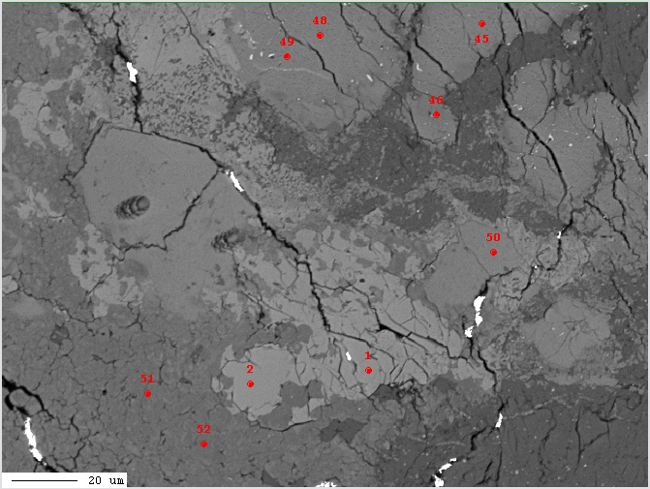
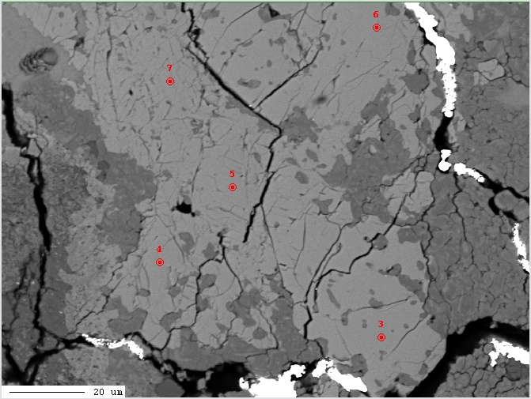

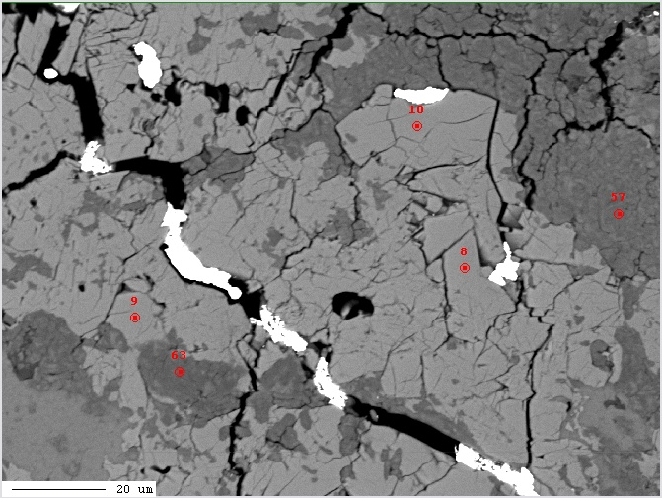
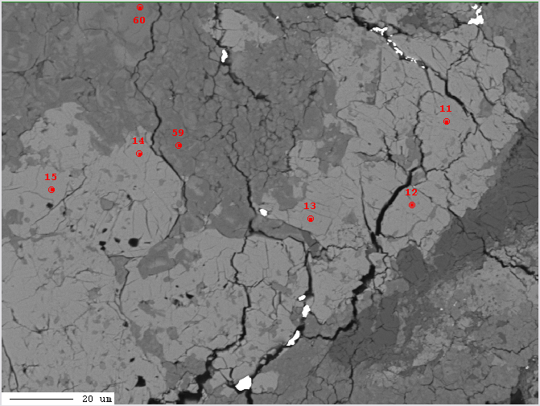

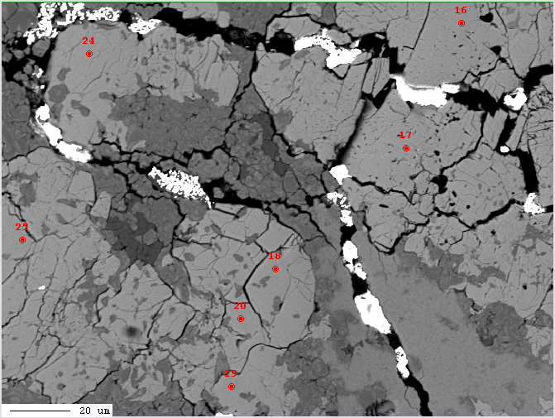
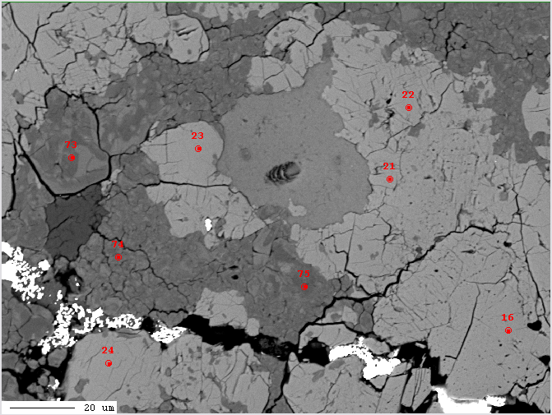

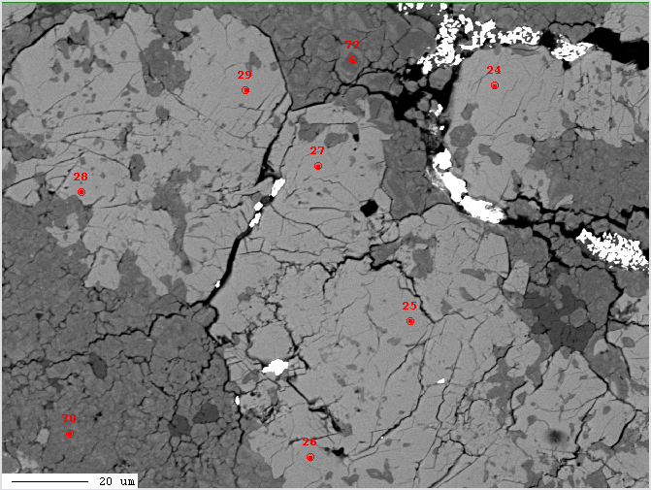
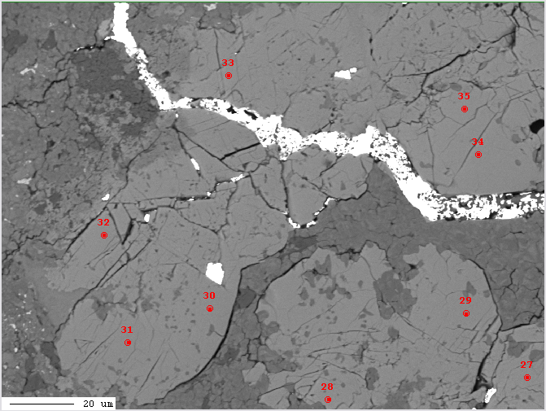

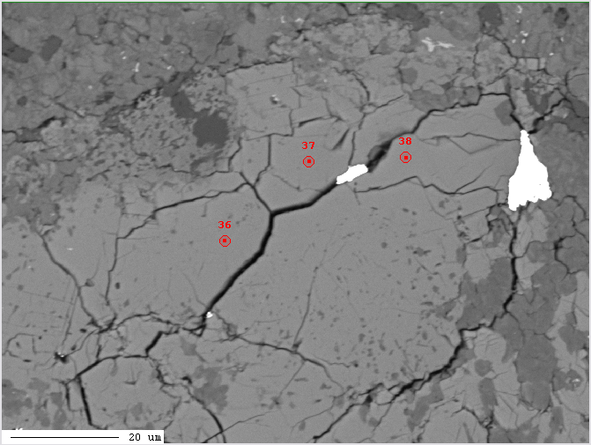
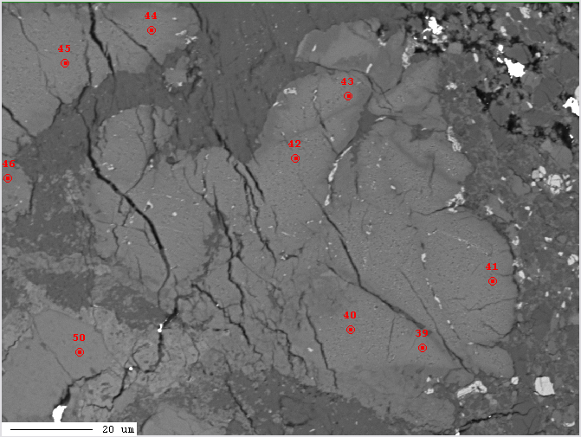

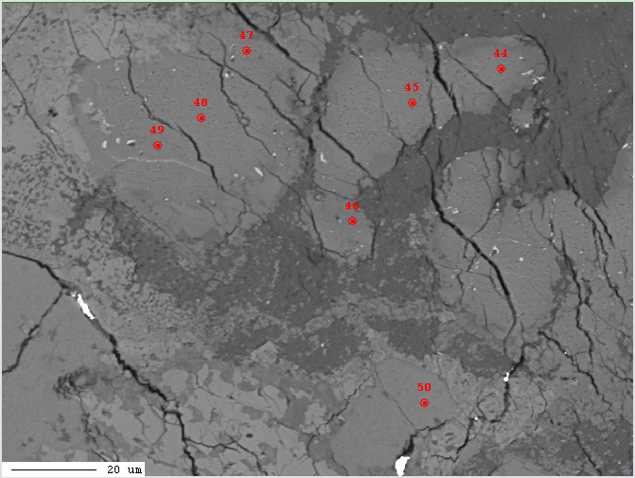
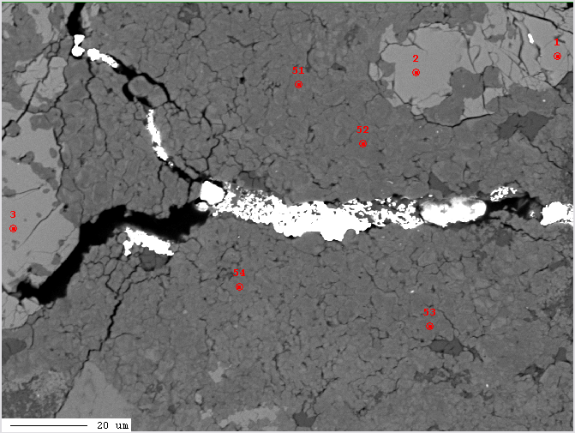

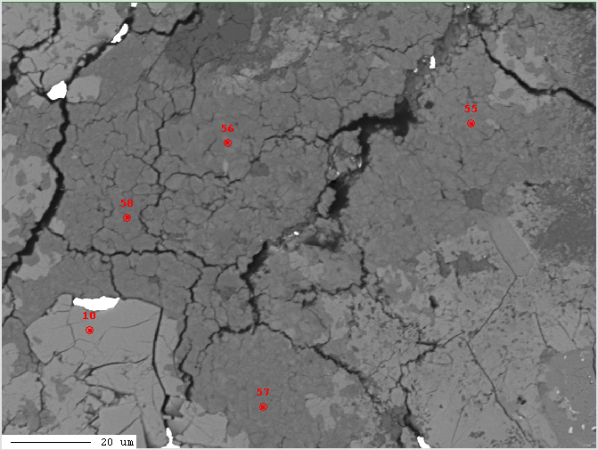
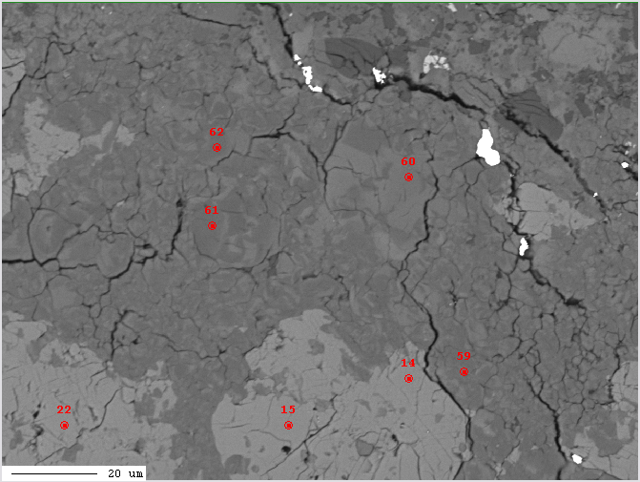

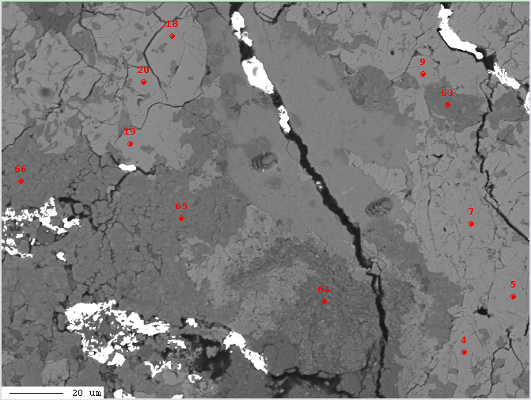
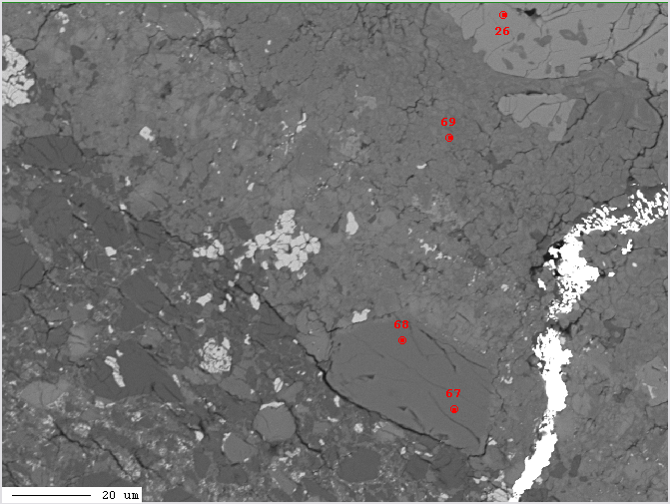

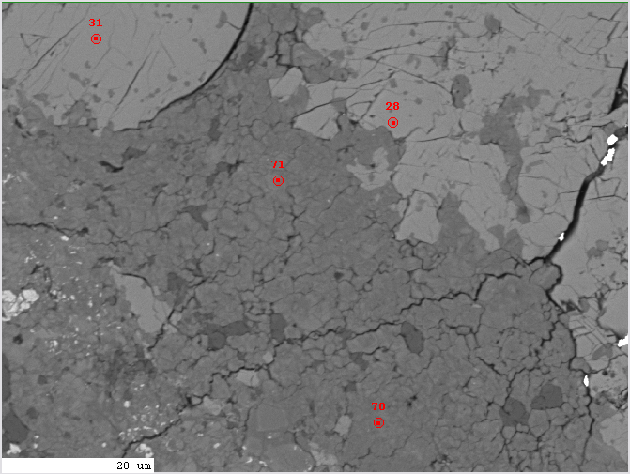
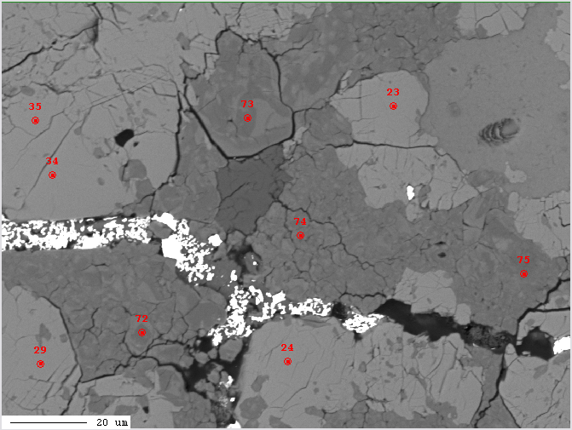

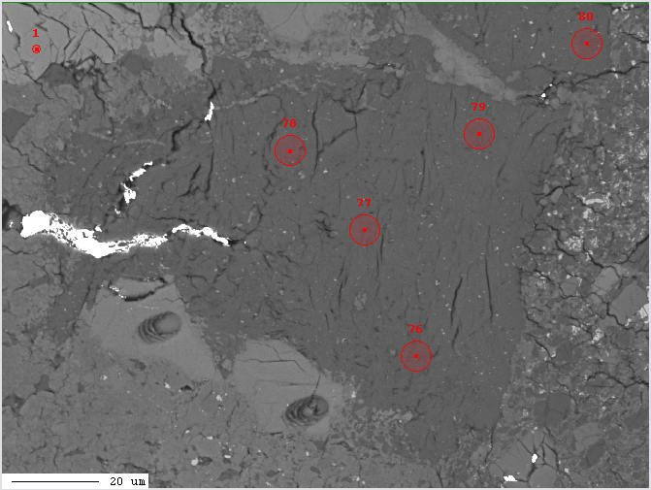
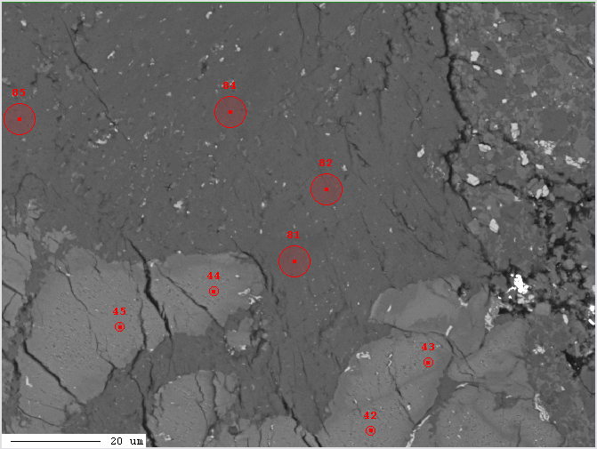

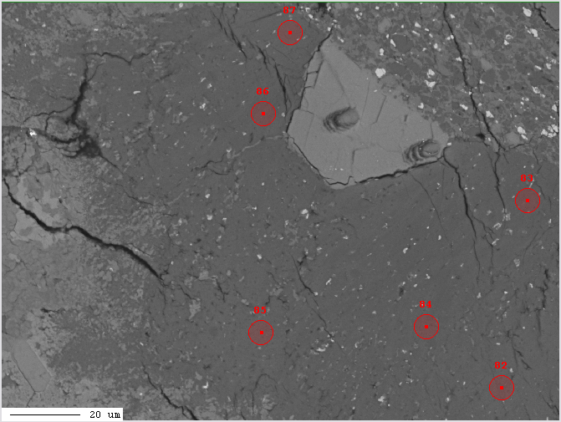
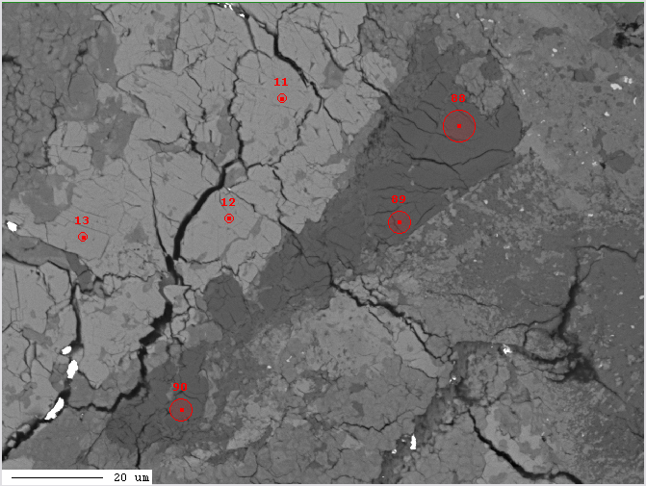

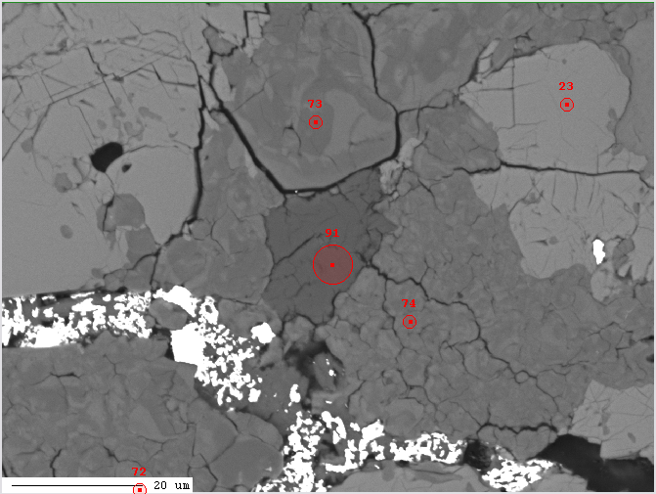

Kizovski et al. (2026) Geochem. Persp. Let. 40, 30–37 | https://doi.org/10.7185/geochemlet.2619
© 2026 The Authors
Published by the European Association of Geochemistry under Creative Commons License CC-BY-NC-ND.

apatite
Kizovski et al.
Expanding Mars’ lithological diversity: discovery of a garnet-bearing clast in NWA 8171

Table S-5 Electron microprobe point analyses results for pyroxene (with pyroxene site filling calculations for stoichiometry checks), andradite, feldspar, and apatite.
See Tab Names for Each Mineral Table

 | Accelerating potential = 15 kV, beam current = 15 nA, beam diameter = 4-7 microns
 | Standards and matrix corrections are listed above.
 | Precision is given in columns AG-AQ and detection limit in columns BE-BO.

 | Results_of_analyses:
 |  | oxide or element weight % |  |  |  |  |  |  |  |  |  |  |  |  |  |  | cations and anions per 12.5 oxygens
 |  | CaO | MnO | FeO | MgO | Na2O | Y2O3 | Ce2O3 | P2O5 | SiO2 | F | Cl | H2O (calculated) | O = F | O = Cl | Total | Ca2+ | Mn2+
...

BSE (Apatites)
Kizovski et al.
Expanding Mars’ lithological diversity: discovery of a garnet-bearing clast in NWA 8171

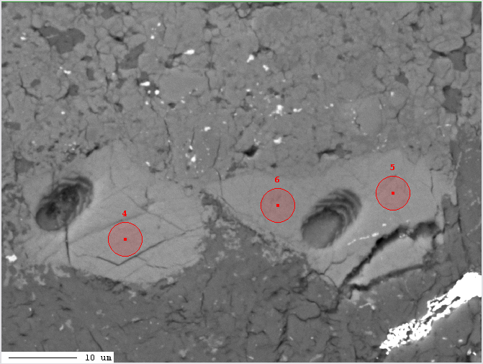

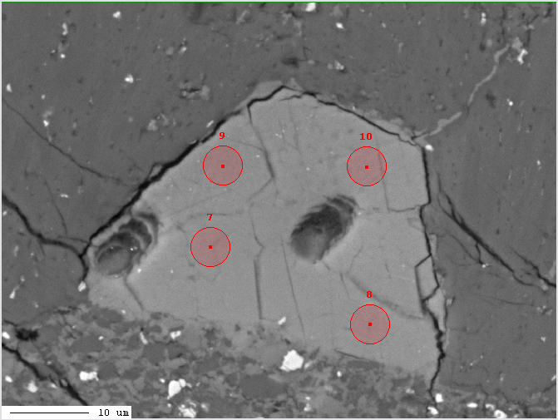
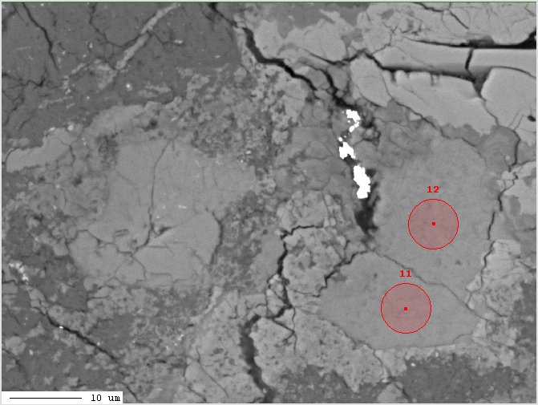

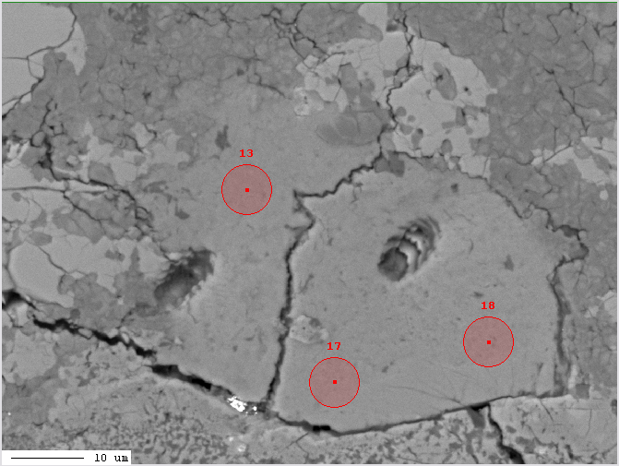
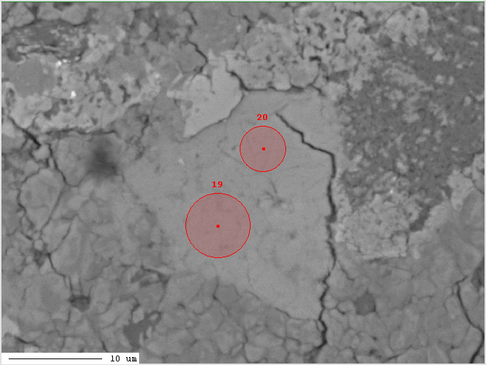

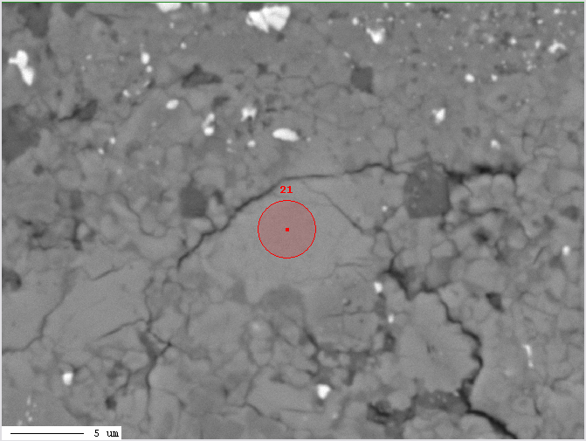
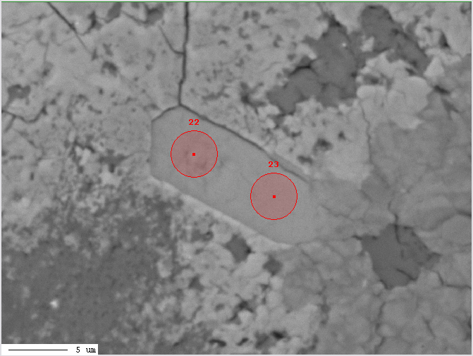

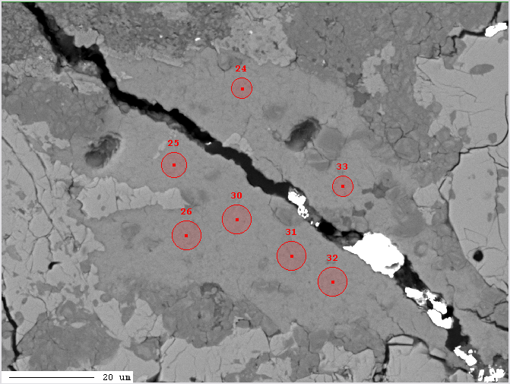
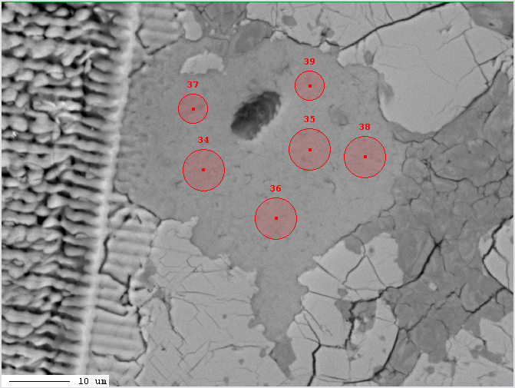

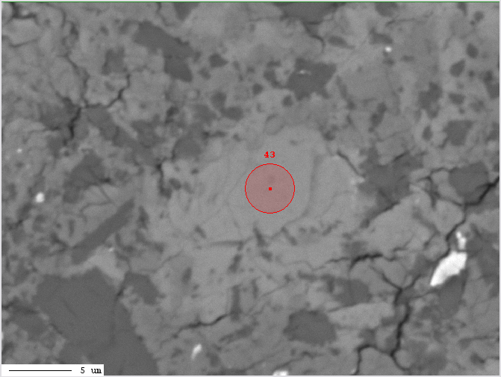

Kizovski et al. (2026) Geochem. Persp. Let. 40, 30–37 | https://doi.org/10.7185/geochemlet.2619
© 2026 The Authors
Published by the European Association of Geochemistry under Creative Commons License CC-BY-NC-ND.

